Architecture
BMS | system architecture Master, MasterRadio and Slaves

Architecture

MASTER (CORE 2)
TBD
MASTER (CORE 1)
TBD
CAN 500 KBPS
DIG_OUT
DIG_IN
A/D
D/A
AD_IN
I2C
AD_IN
DA_OUT (tbd)
PWM_OUT (tbd)
CAN 1 MBPS
FPGA
MASTERRADIO
EFR32MG22C224F512IM32
SPI + PTI 3.2 MBPS
SW_DEBUG
UART_DEBUG
2.4GHz / 2Mbps
Custom protocol
SLAVE
EFR32MG22C224F512IM32
DIG_IN
A/D
D/A
AD_IN
SPI 1 MBPS
AD_IN
DA_OUT
DEBUG_OUT
PWM_OUT
SW_DEBUG
UART_DEBUG
2x SPI
3.2Mbps

OR
DIRECT MODE?


DEBUG_OUT

CAR

LabVIEW
(Setup
Cal
Diag)

SLAVE
EFR32MG22C224F512IM32
SLAVE
EFR32MG22C224F512IM32
SLAVE
EFR32MG22C224F512IM32
SLAVE
EFR32MG22C224F512IM32
SLAVE
EFR32MG22C224F512IM32
SLAVE
EFR32MG22C224F512IM32
SLAVE
EFR32MG22C224F512IM32
SLAVE
EFR32MG22C224F512IM32



Detail

MASTER TRANSCEIVER
EFR32MG22C224F512IM32
SLAVE
EFR32MG22C224F512IM32
D/A
SPI 1 MBPS
A/D
ALARM_TEMP
CELL_TEMP
CNS_DERIVE_I
CELL_VOLTAGE
I_DERIVE
VREF_EXT
CNS_HEAT
DEBUG_LED_1
DI
DO
DO
DO
MOSI
MISO
SCLK CS_ADC
CS_DAC
DO
PWM
UART_TxD
UART_RxD
TCK_SWCLK
TDO_SWO
TMS_SWDIO
UART/US1
DEBUG
SW
TCK_SWCLK
DEBUG
SW
TDO_SWO

TMS_SWDIO
DEBUG_LED_1
DO

UART_TxD
UART_RxD
UART/US1
CS (DFRAME)
MOSI (DOUT)
CLK

MOSI
MISO
SCLK CS_CPU

DIRECT MODE (option to replace SPI)?
PTI SPI 3.2 Mbps
SPI 3.2 Mbps

DATA from Slaves
MASTER transceiver = SPI Master
MASTER = SPI Slave
MOSI only
DATA for Master
MASTER transceiver = SPI Slave
MASTER = SPI Master
MOSI/MISO for status ...

Communication
BMS | Communication concept Master, MasterRadio and Slaves

Interfaces

CAR
LabVIEW
MASTER
MASTER
RADIO
SLAVES
CAN 0.5/1 Mbps
SPI 3.2 Mbps
RADIO 2 Mbps

Non operationnal modes

Calibration
LabVIEW
MASTER
MASTER
RADIO
SLAVES

Setup
LabVIEW
CAR
MASTER
MASTER
RADIO
SLAVES

Info
LabVIEW
CAR
MASTER
MASTER
RADIO
SLAVES

Diagnostic
LabVIEW
MASTER
MASTER
RADIO
SLAVES

Service
LabVIEW
MASTER
MASTER
RADIO
SLAVES

Operationnal modes

Data
LabVIEW
CAR
MASTER
MASTER
RADIO
SLAVES

Pin mapping EVAL
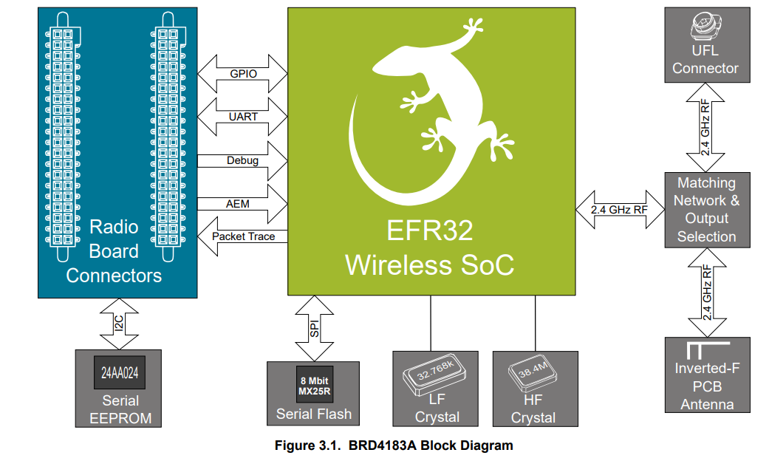
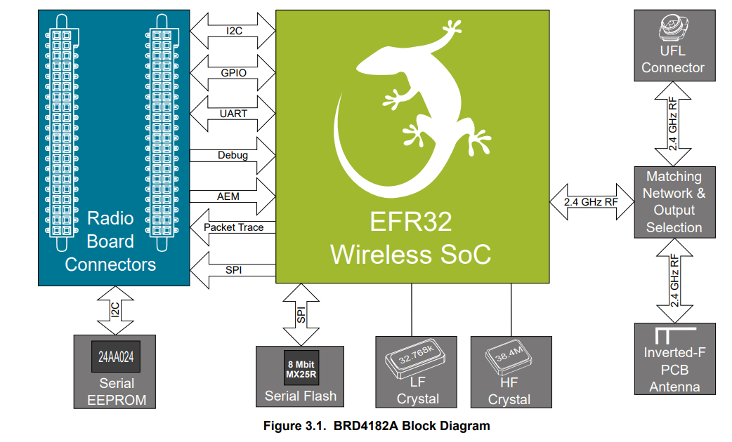
BMS | Pin mapping for MasterRadio and Slaves (BRD4001/4182A and 4183A EVB)

Pin Mapping MASTER/SLAVE EFR32xG22 (BRD4182A - QFN 40 pin) |  |  |  |  |  |  |  |  | Pin Mapping SLAVE EFR32xG22 (BRD4183A - QFN 32 pin) |  |  |  |  |  |  |  |  |  |  |  | Pin Mapping Slot - Test Daughter Board EFR32xG22 (BRD4183A - QFN 32 pin)

Function | Signal | Expansion Header | Top/Bottom Header | CPU Port | Master | Slave | Remark |  | Function | Signal | Expansion Header | Top/Bottom Header | CPU Port | Master | Slave | Remark |  |  |  |  | Function | Signal | Exp. Header | CPU Port | Implemented
A/D | 1 | - | P25/F20 | PC04 | - | Y | Single A/D | ---> | A/D | 1 | - | P25/F20 | PC04 | - | Y | Single A/D |  |  |  | V | A/D | 1 | - | PC04 | N
A/D | 2 | - | P27/F19 | PC05 | - | Y | Single A/D | ---> | A/D | 2 | - | P27/F19 | PC05 | - | Y | Single A/D |  |  |  | V | A/D | 2 | - | PC05 | N
A/D | 3 | H15 | P12 | PB02 | - | Y | Single A/D |  | A/D | 3 | H15 | P12 | PB02 | - | Y | Single A/D | 1) |  | PB02 | V | A/D | 3 | H15 | PB02 | N

DEBUG DOUT | 1 | H9 | P6/F13 | PB01 | Y | Y | TX | ---> | DEBUG DOUT | 1 | H9 | P6/F13 | PB01 | Y | Y | TX | 2) |  |  | X
DEBUG DOUT | 2 | H11 | P12 | PD02 | Y | Y | RX | ---X | DEBUG DOUT | 2 | H11 | P12 | PD02 | Y | Y | RX |  | ? |  | X
DEBUG DOUT | 3 | H13 | P10/F11 | PD03 | Y | Y | Misc | ---X | DEBUG DOUT | 3 | H13 | P10/F11 | PD03 | Y | Y | Misc |  | ? |  | X

DEBUG | TCK_SWCLK | - | P16/F1 | PA01 | Y | Y | Debug/Download | ---> | DEBUG | TCK_SWCLK | - | P16/F1 | PA01 | Y | Y | Debug/Download |  |  |  | V | DEBUG | TCK_SWCLK | - | PA01 | N
DEBUG | TMS_SWDIO | - | P18/F0 | PA02 | Y | Y | Debug/Download | ---> | DEBUG | TMS_SWDIO | - | P18/F0 | PA02 | Y | Y | Debug/Download |  |  |  | V | DEBUG | TMS_SWDIO | - | PA02 | N
DEBUG | TDO_SWO | - | P20/F2 | PA03 | Y | Y | Debug/Download | ---> | DEBUG | TDO_SWO | - | P20/F2 | PA03 | Y | Y | Debug/Download |  |  |  | V | DEBUG | TDO_SWO | - | PA03 | N

DIN | BTN0 | H7 | P4/F12 | PB00 | Y | Y | Button 0 | ---> | DIN | BTN0 | H7 | P4/F12 | PB00 | Y | Y | Button 0 |  |  |  | V | DIN | BTN0 | H7 | PB00 | N
DIN | ALARM_TEMP | - | P22 | PA04 | - | Y |  | ---> | DIN | ALARM_TEMP | H7 | P4/F12 | PB00 | - | Y | Not implemented |  |  |  | V | DIN | ALARM_TEMP | H7 | PB00 | N

PWM | 0 | - | P14/F18 | PA00 | - | Y | Limited to 90kHz | ---> | PWM | 0 | - | P14/F18 | PA00 | - | Y | Limited to 90kHz |  |  | VCOM_RTS disabled | V | PWM | 0 | - | PA00 | N
PWM | 1 | - | P29/F17 | PC06 | - | Y | Limited to 90kHz | ---X | PWM | 1 | - | P29/F17 | PC06 | - | Y | Limited to 90kHz |  | ? |  | X

UART/US1 | TxD | H12 | P9/F6 | PA05 | Y | Y | VCOM RTS (PA07)/CTS(PA08) disabled | ---> | UART/US1 | TxD | H12 | P9/F6 | PA05 | Y | Y | VCOM RTS (PA07)/CTS(PA08) disabled |  |  |  | V | UART/US1 | TxD | H12 | PA05 | Y
UART/US1 | RxD | H14 | P11/F7 | PA06 | Y | Y | VCOM RTS (PA07)/CTS(PA08) disabled | ---> | UART/US1 | RxD | H14 | P11/F7 | PA06 | Y | Y | VCOM RTS (PA07)/CTS(PA08) disabled |  |  |  | V | UART/US1 | RxD | H14 | PA06 | Y
UART/US1 | ENABLE | - | P15/F5 | PB04 | Y | Y |  | ---X | UART/US1 | ENABLE | - | P15/F5 | PB04 | Y | Y |  | 2) | ? | PB01 | V | UART/US1 | ENABLE | - | PB04 | N

I2C0 | SCL | H15 | P12 | PB02 | - | Y |  | ---> | I2C0 | SCL | H15 | P12 | PB02 | - | Y |  | 1) |  | VCOM_CTS disabled | X
I2C0 | SDA | H16 | P13 | PB03 | - | Y |  | ---X | I2C0 | SDA | H16 | P13 | PB03 | - | Y |  |  | ? |  | X
I2C0 | ENABLE | - | P31/F14 | PC07 | - | Y | Enbale onboard T&H sensor | ---X | I2C0 | ENABLE | - | P31/F14 | PC07 | - | Y | Enbale onboard T&H sensor |  | ? |  | X

SPI/US0 | MOSI | H4 | P1/F16 | PC00 | Y | Y | SPI 1Mbps | ---> | SPI/US0 | MOSI | H4 | P1/F16 | PC00 | Y | Y | SPI 1Mbps |  |  |  | V | SPI/US0 | MOSI | H4 | PC00 | N
SPI/US0 | MISO | H6 | P3/P0 | PC01 | Y | Y | SPI 1Mbps | ---> | SPI/US0 | MISO | H6 | P3/P0 | PC01 | Y | Y | SPI 1Mbps |  |  |  | V | SPI/US0 | MISO | H6 | PC01 | N
SPI/US0 | SCLK | H8 | P5/F15 | PC02 | Y | Y | SPI 1Mbps | ---> | SPI/US0 | SCLK | H8 | P5/F15 | PC02 | Y | Y | SPI 1Mbps |  |  |  | V | SPI/US0 | SCLK | H8 | PC02 | N
SPI | CS_TEMP | - | P19/F9 | PA07 | Y | Y | Enable SPI Temp | ---X | SPI | CS_TEMP | - | P22 | PA04 | Y | Y | Enable SPI Temp |  |  |  | X
SPI | CS_DAC | H10 | P7 | PC03 | - | Y | Enable SPI DAC | ---> | SPI | CS_DAC | H10 | P7 | PC03 | - | Y | Enable SPI DAC |  |  |  | V | SPI | CS_DAC | H10 | PC03 | N

SPI/PTI | CLK | - | P29/F17 | PC06 | Y | - | Future feature (EFR32 as transceiver) | ---X | SPI/PTI | CLK | - | P29/F17 | PC06 | Y | - | Future feature (EFR32 as transceiver) |  | ? | ? | N/A (Slave)
SPI/PTI | DFRAME | - | P27/F19 | PC05 | Y | - | Future feature (EFR32 as transceiver) | ---> | SPI/PTI | DFRAME | - | P27/F19 | PC05 | Y | - | Future feature (EFR32 as transceiver) |  |  |  | N/A (Slave)
SPI/PTI | DOUT | - | P25/F20 | PC04 | Y | - | Future feature (EFR32 as transceiver) | ---> | SPI/PTI | DOUT | - | P25/F20 | PC04 | Y | - | Future feature (EFR32 as transceiver) |  |  |  | N/A (Slave)

LFXTAL | - | - | - | PD00 | ? | ? | LF 32.768kHz Is used? | ---> | LFXTAL | - | - | - | PD00 | ? | ? | LF 32.768kHz Is used? |  |  |  | V
LFXTAL | - | - | - | PD01 | ? | ? | LF 32.768kHz Is used? | ---> | LFXTAL | - | - | - | PD01 | ? | ? | LF 32.768kHz Is used? |  |  |  | V

Spare |  | - | P21/F8 | PA08 | Y | Y | VCOM CTS | ---X |  | CS_DAC
Spare |  | - | P14/F18 | PA00 | Y | - |  |  |  | AD3
Spare |  | - | P22 | PA04 | Y | -
Spare |  | H15 | P12 | PB02 | Y | -
Spare |  | H16 | P13 | PB03 | Y | - |  | ---X
Spare |  | H10 | P7 | PC03 | Y | -
Spare |  | - | P31/F14 | PC07 | Y | - |  | ---X

Radio Protocol
BMS | Radio Protocol concept between MasterRadio and Slaves

Radio message structure

 |  |  | Radio START/Transition |  |  |  |  |  | Preamble |  |  |  |  | Synchro |  | Payload |  |  |  |  |  | CRC |  | Radio STOP/Transition
 |  |  | <-----see specs-----> |  |  |  |  |  | <-------40-------> |  |  |  |  | <-16-> |  | <---------6---------> |  |  |  |  |  | <-16-> |  | <-----see specs----->
 |  |  |  |  |  |  |  |  | bits |  |  |  |  | bits |  | bytes |  |  |  |  |  | bits

Specifications
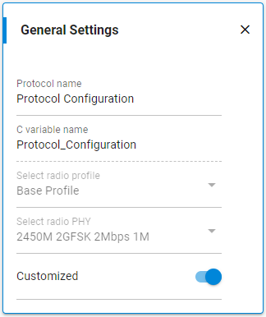
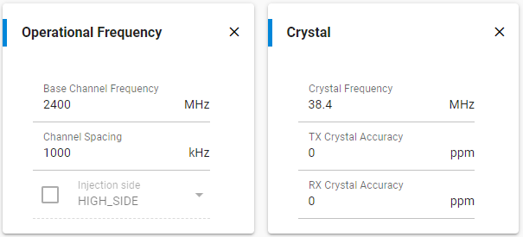
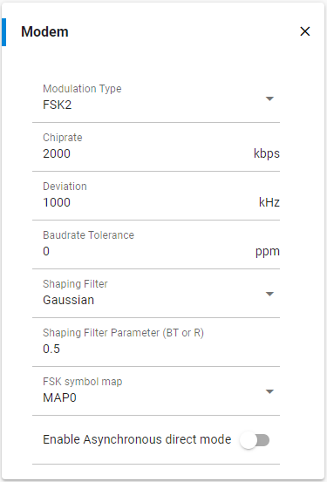
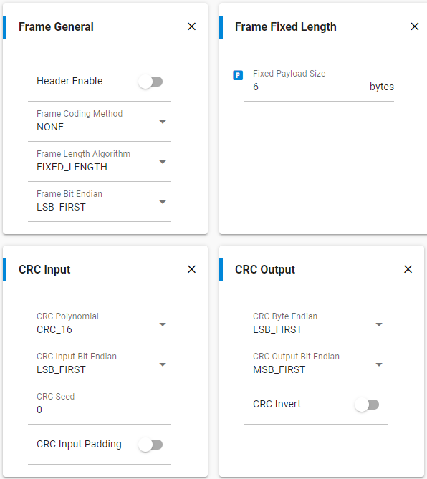

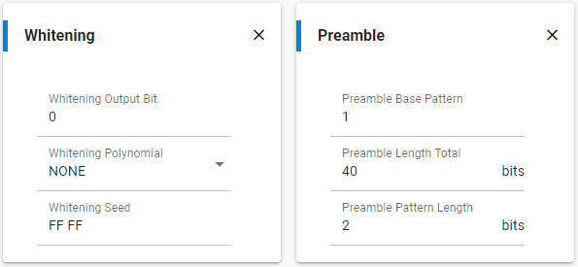

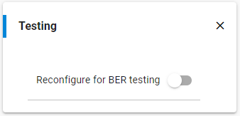

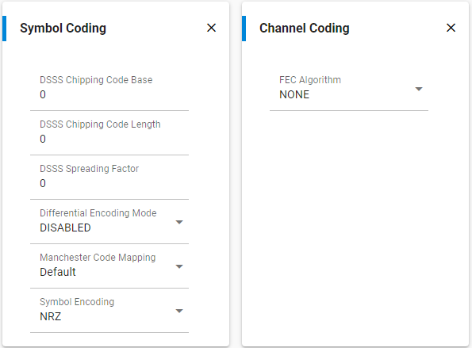
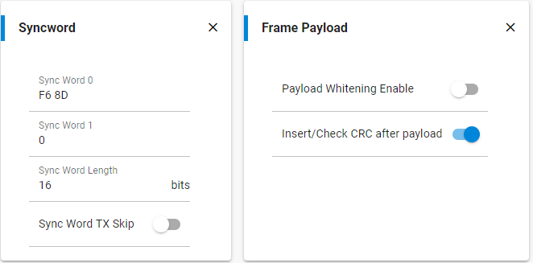

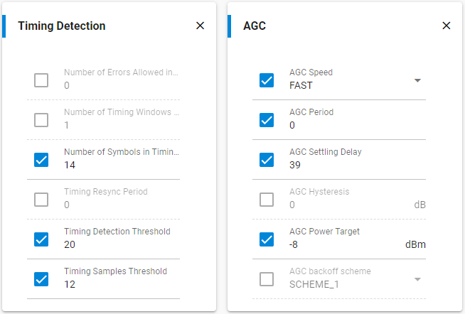

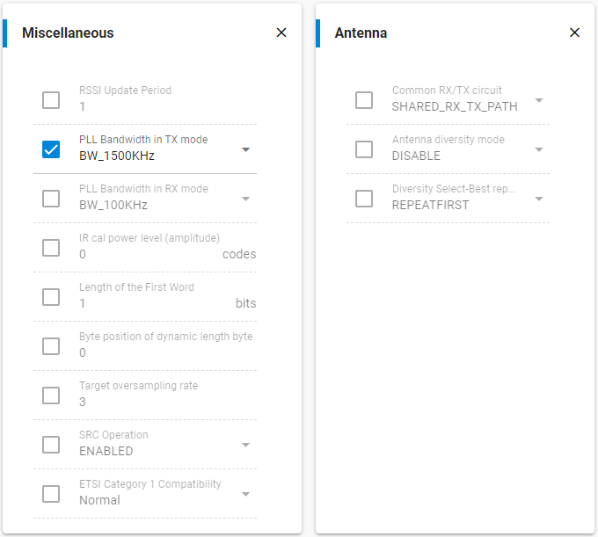

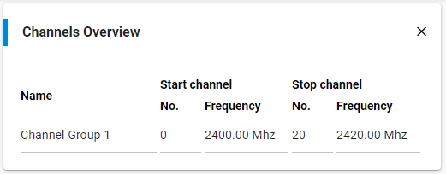

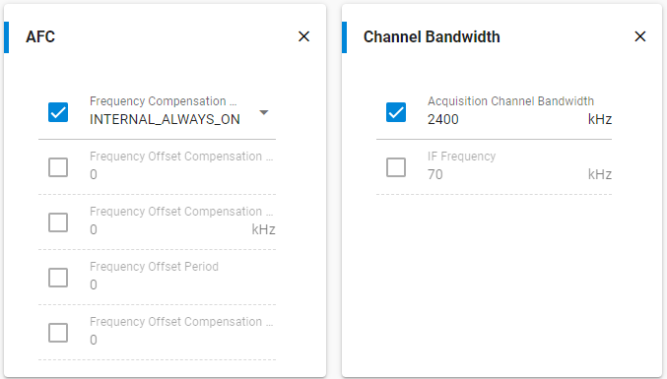

Synchronous exchange (commands / replies) between MasterRadio and all Slaves --> 20 ms time loop
Protocol | (Payload point of view) |  |  | Radio sequences |  |  |  |  |  | Acquisitions sequence + critical actions |  |  |  |  |  |  |  |  |  |  | Processing algorithms + outputs |  |  |  |  |  |  |  |  | Idle sequence |  |  |  |  | Errors
 |  |  |  | TX / RX / Errors / Transitions |  |  |  |  |  | ADC / DigInp / ADC_I2C / Radio cmd |  |  |  |  |  |  |  |  |  |  | DigOut / PWM
Broadcast (Master to all Slaves)
 |  |  | CMD |  |  | See "Radio Frames" tab for the list of broadcast commands
Timing
 |  |  | <----------------------------------------------------------------------20 ms--------------------------------------------------------------------------------> |  |  |  |  |  |  |  |  |  |  |  |  |  |  |  |  |  |  |  |  |  |  |  |  |  | <----------------------------------------------------------------------20 ms-------------------------------------------------------------------------------->
Master ---> | Slave |  | CMD |  |  |  |  |  |  |  |  |  |  |  |  |  |  |  |  |  |  |  |  |  |  |  |  |  | CMD
Slave#1 --> | Master |  |  |  | ACQ | DATA#1 |  | HANDLE |  |  |  |  |  |  |  |  |  |  |  |  |  |  |  |  |  |  |  |  |  |  | ACQ | DATA#1 |  | HANDLE
Slave#2 --> | Master |  |  |  | ACQ | <---wait---> |  | DATA#2 |  | HANDLE |  |  |  |  |  |  |  |  |  |  |  |  |  |  |  |  |  |  |  |  | ACQ | <---wait---> |  | DATA#2 |  | HANDLE
Slave#3 --> | Master |  |  |  | ACQ | <---wait schedule TX---> |  |  |  | DATA#3 |  | HANDLE |  |  |  |  |  |  |  |  |  |  |  |  |  |  |  |  |  |  | ACQ | <---wait schedule TX---> |  |  |  | DATA#3 |  | HANDLE
Slave#4 --> | Master |  |  |  | ACQ | <---wait schedule TX-------------------> |  |  |  |  |  | DATA#4 |  |  |  |  |  |  |  |  |  |  |  |  |  |  |  |  |  |  | ACQ | <---wait schedule TX-------------------> |  |  |  |  |  | DATA#4
 |  |  |  |  |  |  |  |  |  |  |  |  |  |  | … |  |  |  |  |  |  |  |  |  |  |  |  |  |  |  |  |  |  |  |  |  |  |  |  | …
 |  |  |  |  | … |  |  |  |  |  |  |  |  |  |  | … |  |  |  |  |  |  |  |  |  |  |  |  |  |  | … |  |  |  |  |  |  |  |  |  | …

Slave#97 --> | Master |  |  |  | ACQ | <---wait schedule TX-------------------------------------------------------------------> |  |  |  |  |  |  |  |  |  |  |  | DATA#97 |  | HANDLE |  |  |  |  |  |  |  |  |  |  | ACQ | <---wait schedule TX-------------------------------------------------------------------> |  |  |  |  |  |  |  |  |  |  | DATA#97 | HANDLE
Slave#98 --> | Master |  |  |  | ACQ | <---wait schedule TX-----------------------------------------------------------------------------------> |  |  |  |  |  |  |  |  |  |  |  |  |  | DATA#98 |  | HANDLE |  |  |  |  |  |  |  |  | ACQ | <---wait schedule TX-----------------------------------------------------------------------------------> |  |  |  |  |  |  |  |  |  |  |  | DATA#98 | HANDLE
Slave#99 --> | Master |  |  |  | ACQ | <---wait schedule TX---------------------------------------------------------------------------------------------------> |  |  |  |  |  |  |  |  |  |  |  |  |  |  |  | DATA#99 |  | HANDLE |  |  |  |  |  |  | ACQ | <---wait schedule TX---------------------------------------------------------------------------------------------------> |  |  |  |  |  |  |  |  |  |  |  |  | DATA#99 | HANDLE
Slave#100 -> | Master |  |  |  | ACQ | <---wait schedule TX-------------------------------------------------------------------------------------------------------------------> |  |  |  |  |  |  |  |  |  |  |  |  |  |  |  |  |  | DATA#100 |  | HANDLE |  |  |  |  | ACQ | <---wait schedule TX-------------------------------------------------------------------------------------------------------------------> |  |  |  |  |  |  |  |  |  |  |  |  |  | DATA#100 | HANDLE
 |  |  |  |  | <----------------------------------------------------------------------20 ms--------------------------------------------------------------------------------> |  |  |  |  |  |  |  |  |  |  |  |  |  |  |  |  |  |  |  |  |  |  |  |  |  | <----------------------------------------------------------------------20 ms-------------------------------------------------------------------------------->

Phases

Master |  | Phase | CMD |  | ACQ | DATA#1 |  | DATA#2 |  | DATA#3 |  | DATA#4 |  |  | … | … |  | DATA#97 |  | DATA#98 |  | DATA#99 |  | DATA#100 |  | HANDLE |  | IDLE | CMD |  | ACQ | DATA#1 |  | DATA#2 |  | DATA#3 |  | DATA#4 |  | … | … |  | DATA#97 | DATA#98 | DATA#99 | DATA#100 | HANDLE | IDLE
 |  | Radio | <---TX---> |  | <---RX--------------------------------------------------------------------------------------------------------------------------------------------> |  |  |  |  |  |  |  |  |  |  |  |  |  |  |  |  |  |  |  |  |  |  |  | <---TX---> |  | <---RX-------------------------------------------------------------------------------------------------------------------------------------------->

Slave |  | Phase | IDLE | CMD | ACQ | IDLE |  |  |  |  |  |  |  |  |  |  |  | DATA |  | HANDLE |  | IDLE |  |  |  |  |  |  |  | CMD | ACQ | IDLE |  |  |  |  |  |  |  |  |  |  | DATA | HANDLE | IDLE |  |  |  | CMD
 |  | Radio | <---RX---> |  | <---TX SCHEDULE---------------------------------------------------------------> |  |  |  |  |  |  |  |  |  |  |  |  | <---TX---> |  | <---RX-----------------------------------------------------------> |  |  |  |  |  |  |  |  |  |  | <---TX SCHEDULE---------------------------------------------------------------> |  |  |  |  |  |  |  |  |  |  |  | <---TX---> | <---RX----------------------------------------------------------->

Exceptions

Master |  | TX-Error | CMD |  | CMD |  | ACQ | DATA#1 |  | DATA#2 |  | DATA#3 |  | DATA#4 |  |  | … | … |  | DATA#97 |  | DATA#98 |  | DATA#99 |  | DATA#100 |  | HANDLE |  |  | CMD |  | ACQ | DATA#1 |  | DATA#2 |  | DATA#3 | DATA#4 |  |  | … | …
 |  | ---> TX
 |  | RX-Error | CMD |  | ACQ | DATA#1 |  | DATA#2 |  |  |  | DATA#4 |  |  | … | … |  | DATA#97 |  | DATA#98 |  | DATA#99 |  | DATA#100 |  | HANDLE |  |  | CMD |  | ACQ | DATA#1 |  | DATA#2 |  | DATA#3 |  | DATA#4 |  | … | … |  | DATA#97 | DATA#98 | DATA#99 | DATA#100 | HANDLE
 |  | ---> RX

Slave |  | TX-Error | IDLE | CMD | ACQ | IDLE |  |  |  |  |  |  |  |  |  |  |  | DATA |  | HANDLE |  | IDLE |  |  |  |  |  |  |  | CMD | ACQ | IDLE |  |  |  |  |  |  |  |  |  |  | DATA | HANDLE | IDLE
 |  | ---> RX
 |  | RX-Error | IDLE | CMD | IDLE |  |  |  |  |  |  |  |  |  |  |  |  |  |  |  |  |  |  |  |  |  |  |  |  | CMD | ACQ | IDLE |  |  |  |  |  |  |  |  |  |  | DATA | HANDLE | IDLE
 |  | ---> RX

Asynchronous exchange (commands / replies) between MasterRadio and Slaves --> no given time loop
Unicast (Master to a specific Slave)
 |  |  | CMD |  |  | See "Radio Frames" tab for the list of unicast commands
Timing

Master ---> | Slave #X |  | CMDA->X
Slave#X --> | Master |  |  |  | ACQ | DATA#X
Master ---> | Slave #Y |  |  |  |  |  |  |  | CMDA->Y
Slave#Y --> | Master |  |  |  |  |  |  |  |  |  | ACQ | DATA#Y

Master ---> | Slave #X |  |  |  |  |  |  |  |  |  |  |  |  |  |  | CMDB->X
Slave#X --> | Master |  |  |  |  |  |  |  |  |  |  |  |  |  |  |  |  | ACQ | DATA1#X |  | DATA2#X |  | DATA3#X |  | DATA4#X |  |  | … | DATAn#X

Phases

Master |  | Phase | CMDA->X |  | ACQ | DATA#X |  | IDLE | CMDA->Y |  | ACQ | DATA#Y |  |  | … | CMDB->X |  | ACQ | DATA1#X |  | DATA2#X |  | DATA3#X |  | DATA4#X |  |  | … | DATAn#X |  | IDLE
 |  | Radio | <---TX---> |  | <---RX--------------> |  |  |  | <---TX---> |  | <---RX---------------------> |  |  |  |  | <---TX---> |  | <---RX----------------------------------------------------------------------------------------------------------------------------------------------------------------------------------------------------------------------------->

Slave #X |  | Phase | IDLE | CMD | ACQ | DATA#X |  | HANDLE |  | IDLE |  |  |  |  |  |  | CMD | ACQ | DATA1#X |  | DATA2#X |  | DATA3#X |  | DATA4#X |  |  | … | DATAn#X |  | HANDLE |  | IDLE
 |  | Radio | <-----RX------> |  |  | <--TX---> |  | <-----RX---------------------------------------------------------> |  |  |  |  |  |  |  |  |  |  | <--TX------------------------------------------------------------------> |  |  |  |  |  |  |  |  |  |  |  | <-----RX----------------------------------------------------------------------------------------------------------------------------------------->

Slave #Y |  | Phase | IDLE |  |  |  |  |  | CMD | ACQ | DATA#Y |  | HANDLE |  | IDLE
 |  | Radio | <-----RX--------------------------------------> |  |  |  |  |  |  |  | <--TX---> |  | <-----RX---------------------------------------------------------------------------------------------------------------------------------------------------------------------------------------------------------------------------------------------------------->

Exceptions

Master |  | TX-Error | CMDA->X |  | CMDA->X |  | ACQ | DATA#X |  | IDLE | CMDA->Y |  | ACQ | DATA#Y |  |  | … | CMDB->X |  | ACQ | DATA1#X |  | DATA2#X |  | DATA3#X |  | DATA4#X |  |  | … | DATAn#X |  | IDLE
 |  | ---> TX
 |  | RX-Error | CMDA->X |  | ACQ | DATA#X |  | IDLE | CMDA->Y |  | ACQ | DATA#Y |  | Wait |  |  |  | CMDA->Y |  | ACQ | DATA#Y |  |  | … | CMDB->X |  | ACQ | DATA1#X |  | DATA2#X |  | DATA3#X |  | DATA4#X |  |  | … | DATAn#X | IDLE
 | F | ---> TX

Slave #X |  | TX-Error | IDLE | CMD | ACQ | DATA#X |  | HANDLE |  | IDLE |  |  |  |  |  |  | CMD | ACQ | DATA1#X |  | DATA2#X |  | DATA3#X |  | DATA3#X |  | DATA4#X |  |  | … | DATAn#X |  | HANDLE |  | IDLE
 | F | ---> TX
 |  | RX-Error | IDLE | CMD | IDLE |  |  |  |  |  |  |  |  |  |  |  |  |  |  |  |  | CMD | ACQ | DATA1#X |  | DATA2#X |  | DATA3#X |  | DATA4#X |  |  | … | DATAn#X |  | IDLE
 |  | ---> RX

SPI Protocol
BMS | SPI Protocol concept between Master and MasterRadio

SPI message structure

 |  | CS

 |  | MISO/MOSI | Payload
 |  |  | <---------6--------->
 |  |  | bytes

Specifications
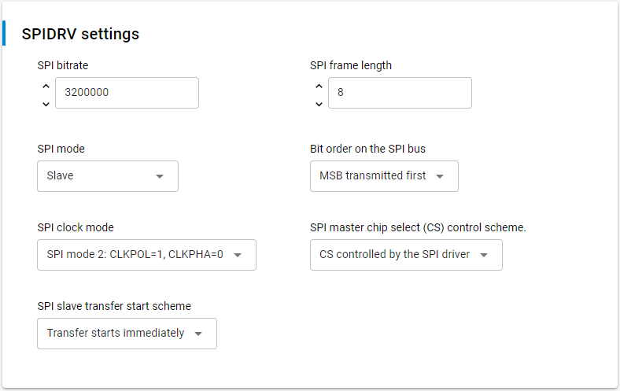
SPI |  | Mode 2
Speed |  | 3200000
Frame size |  | 8 bytes
CLK |  | Rising edge
CS |  | Active low | CS remains active for 1 byte payload
Master |  | Master
Slave |  | MasterRadio

Protocol | (Payload point of view) |  | See "Radio Protocol" tab -> only for MasterRadio to Slave parts

PTI Protocol
BMS | PTI Protocol concept between Master, MasterRadio and Slaves

PTI message structure

 |  | CS

 |  | DOUT |  | Payload |  |  |  |  | CRC |  |  |  |  |  |  |  |  |  |  | Data from MasterRadio: Total = 13 bytes
 |  |  | <1> | <---------6---------> |  |  |  |  | <-16-> |  | <1> | <1> | <1> | <1> | <1> |  |  |  |  | Data from Slave: Total = 14 bytes
 |  |  | bytes | bytes |  |  |  |  | bits |  | bytes | bytes | bytes | bytes | bytes
 |  |  |  |  |  |  |  |  |  |  |  |  |  |  |  |  | 0xFC |  | 0xFC | Data sent by MasterRadio
 |  |  |  |  |  |  |  |  |  |  |  |  |  |  |  |  | 0xF8 |  | 0xF8 | Data receive from MasterRadio (e.g data sent by Slaves)

 |  |  |  |  |  |  |  |  |  |  |  |  |  |  |  | Payload |  |  |  | See "Radio Frames" tab

 |  |  |  |  |  |  |  |  |  |  |  |  |  |  |  |  | CRC |  |  | See "Radio Protocol" tab

 |  |  |  |  |  |  |  |  |  |  |  |  |  |  |  |  |  |  | 0xFD | TX success (MasterRadio)
 |  |  |  |  |  |  |  |  |  |  |  |  |  |  |  |  |  |  | 0xF9 | RX sucess (Slaves)

 |  |  | Data sent by MasterRadio to Slaves (e.g from MasterRadio) |  |  |  |  |  |  |  |  |  |  |  |  |  |  | Data received by MasterRadio (e.g from Slave)

 |  |  |  |  | Radio info: |  |  |  |  |  |  |  |  | (0x00) |  |  |  |  |  | RSSI offset32 |  |  |  |  |  |  |  | int8
 |  |  |  |  | 0 |  |  |  |  |  |  |  |  | Antenna Select (0x00) |  |  |  |  |  | -xx … + yy dBm |  |  |  |  |  |  |  | ???
 |  |  |  |  |  | 0 |  |  |  |  |  |  |  | Sync Word Select (0x00)
 |  |  |  |  |  |  | 0 | 0 | 0 | 0 | 0 | 0 |  | Channel Number [0..63] (0x00)

 |  |  |  |  | Status byte;: |  |  |  |  |  |  |  |  | (0x00) |  |  |  |  |  | Radio info: |  |  |  |  |  |  |  | (0x00)
 |  |  |  |  | X | X | X | X |  |  |  |  |  | Error Code (Success = 0x00) |  |  |  |  |  | 0 |  |  |  |  |  |  |  | Antenna Select (0x00)
 |  |  |  |  |  |  | 0 | 0 | 0 | 0 | 0 | 0 |  | Protocol ID (Custom = 0x00) |  |  |  |  |  |  | 0 |  |  |  |  |  |  | Sync Word Select (0x00)
 |  |  |  |  |  |  |  |  |  |  |  |  |  |  |  |  |  |  |  |  |  | 0 | 0 | 0 | 0 | 0 | 0 | Channel Number [0..63] (0x00)

 |  |  |  |  | Info Configuration: |  |  |  |  |  |  |  |  | (0x01) |  |  |  |  |  | Status byte;: |  |  |  |  |  |  |  | (0x00)
 |  |  |  |  |  | 0 |  |  |  |  |  |  |  | TX/RX Indicator (TX = 0) |  |  |  |  |  | X | X | X | X |  |  |  |  | Error Code (Success = 0x00)
 |  |  |  |  |  |  | 0 | 0 | 0 |  |  |  |  | Appended info Length (0x00) |  |  |  |  |  |  |  | 0 | 0 | 0 | 0 | 0 | 0 | Protocol ID (Custom = 0x00)
 |  |  |  |  |  |  |  |  |  | 0 | 0 | 1 |  | Appended Info Version (0x01)

 |  |  |  |  |  |  |  |  |  |  |  |  |  |  |  |  |  |  |  | Info Configuration: |  |  |  |  |  |  |  | (0x49)
 |  |  |  |  |  |  |  |  |  |  |  |  |  |  |  |  |  |  |  |  | 1 |  |  |  |  |  |  | TX/RX Indicator (RX = 1)
 |  |  |  |  |  |  |  |  |  |  |  |  |  |  |  |  |  |  |  |  |  | 0 | 0 | 1 |  |  |  | Appended info Length in bytes [0..7] (0x01)
 |  |  |  |  |  |  |  |  |  |  |  |  |  |  |  |  |  |  |  |  |  |  |  |  | 0 | 0 | 1 | Appended Info Version (0x01)

Specifications
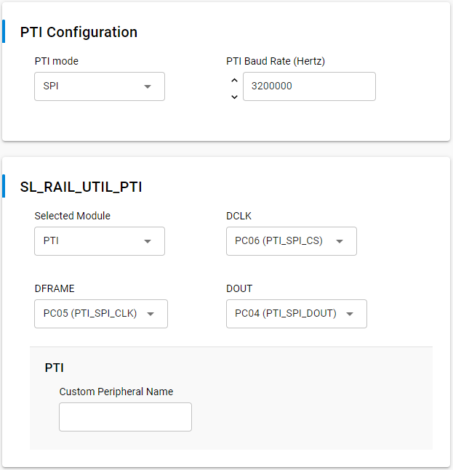
SPI |  | Mode ?
Speed |  | 3200000
Frame size |  | 8 bytes
CLK |  | Rising edge
CS |  | Active high | CS remains active until whole packet is sent/received
Master |  | MasterRadio
Slave |  | Master

Protocol | (Payload point of view) |  | See "Radio Protocol" tab

SPI frames
BMS | Messages SPI between Master and MasterRadio

Protocol definition |  |  | See "SPI Protocol" tab
Payload definition |  |  | See below

Common definition

 |  |  |  | R/W | ADDR |  |  |  | CMD
 |  |  |  | 47 | 46 |  |  | 40 | 39 | 38
 |  |  |  | <1> | <----------7-----------> |  |  |  | <--2-->

 |  |  | Read | 0 | 0x00 | Master |  |  | 0x00 |  | Invalid
 |  |  | Write | 1 | 0x01 | Slave #1 |  |  | 0x01 |  | Calibration/Setup-Info
 |  |  |  |  | … |  |  |  | 0x02 |  | Data
 |  |  |  |  | 0x64 | Slave #100 |  |  | 0x03 |  | Diagnostic/Service
 |  |  |  |  | 0x65 | Reserved
 |  |  |  |  | …
 |  |  |  |  | 0x7E | Reserved
 |  |  |  |  | 0x7F | MasterRadio

Master ---> | MasterRadio ---> |  | -> |  | [0x00] Master |  |  |  | -> | Unicast message (to be applied only by the MasterRadio)

Master ---> | MasterRadio ---> | Slaves | -> |  | [0x7F] MasterRadio |  |  |  | -> | Broadcast message (to be applied by all Slaves)

Master ---> | MasterRadio ---> | Slave | -> |  | [0x01-0x64] Slave |  |  |  | -> | Unicast message (to specific Slave)
Slave ---> | MasterRadio ---> | Master | -> |  | [0x01-0x64] Slave |  |  |  | -> | Not applicable (PTI is used for that case)

Slave ---> | Slave |  | -> |  | N/A |  |  |  | -> | Not applicable

From | To | CMD

Calibration

Master ---> | MasterRadio | 0x01 |  | R/W | ADDR |  |  |  | CMD |  | CHANNEL |  |  |  |  |  | BYTE_3 |  |  | BYTE_2 |  |  |  |  |  | BYTE_1 |  |  |  |  | BYTE_0
 |  |  |  | 47 | 46 |  |  | 40 | 39 | 38 | 37 |  |  |  |  | 32 | 31 |  | 24 | 23 |  |  |  |  | 16 | 15 |  |  |  | 8 | 7 |  | 0
 |  |  |  | <1> | <----------7-----------> |  |  |  | <--2--> |  | <--------6---------> |  |  |  |  |  | <------------8------------> |  |  | <------------8------------> |  |  |  |  |  | <------------8------------> |  |  |  |  | <------------8------------>

 |  |  |  | 0 | [0x00] Master |  |  |  | 0x01 |  | -> | Read specified factor/offset channel from MasterRadio
 |  |  |  | 1 | [0x00] Master |  |  |  | 0x01 |  | -> | Write specified factor/offset channel to MasterRadio
 |  |  |  | 0 | [0x7F] MasterRadio |  |  |  | 0x01 |  | -> | Read specified factor/offset channel from all Slaves
 |  |  | (*) | 1 | [0x7F] MasterRadio |  |  |  | 0x01 |  | -> | Write specified factor/offset channel to all Slaves
 |  |  | (1) | 0 | [0x01-0x64] Slave |  |  |  | 0x01 |  | -> | Read specified factor/offset channel from specified Slave
 |  |  | (1) | 1 | [0x01-0x64] Slave |  |  |  | 0x01 |  | -> | Write specified factor/offset channel to specified Slave

16 channels (8 meas) [00..15] |  |  |  | 0/1 |  |  |  | (1) |  | CH = 0x00 | 0 | 0 | 0 | 0 | 0 | 0 | See definition in "Radio Frames" tab
-> 4 channels (2 meas) [00..03] |  | for Slaves |  | 0/1 |  |  |  | (1) |  | CH = 0x01 | 0 | 0 | 0 | 0 | 0 | 1
-> 12 channels (6 meas) [04..15] |  | for MasterRadio |  | 0/1 |  |  |  | (1) |  | CH = 0x02 | 0 | 0 | 0 | 0 | 1 | 0
 |  |  |  | 0/1 |  |  |  | (1) |  | CH = 0x03 | 0 | 0 | 0 | 0 | 1 | 1
 |  | From here, specific to MasterRadio | ---> | 0/1 |  |  |  |  |  | CH = 0x04 | 0 | 0 | 0 | 1 | 0 | 0 | FACT_U_BAT_TOT (Def Val = 1.0) |  |  |  |  |  |  |  |  |  |  |  |  |  |  |  |  | [float32]
 |  |  |  | 0/1 |  |  |  |  |  | CH = 0x05 | 0 | 0 | 0 | 1 | 0 | 1 | FACT_U_BAT_TOT (Def Val = 1.0) |  |  |  |  |  |  |  |  |  |  |  |  |  |  |  |  | [float32]
 |  |  |  | 0/1 |  |  |  |  |  | CH = 0x06 | 0 | 0 | 0 | 1 | 0 | 0 | FACT_U_BAT_CELLS (Def Val = 1.0) |  |  |  |  |  |  |  |  |  |  |  |  |  |  |  |  | [float32]
 |  |  |  | 0/1 |  |  |  |  |  | CH = 0x07 | 0 | 0 | 0 | 1 | 0 | 1 | FACT_U_BAT_CELLS (Def Val = 1.0) |  |  |  |  |  |  |  |  |  |  |  |  |  |  |  |  | [float32]
 |  |  |  | 0/1 |  |  |  |  |  | CH = 0x08 | 0 | 0 | 0 | 1 | 0 | 0 | FACT_I_BAT (Def Val = 1.0) |  |  |  |  |  |  |  |  |  |  |  |  |  |  |  |  | [float32]
 |  |  |  | 0/1 |  |  |  |  |  | CH = 0x09 | 0 | 0 | 0 | 1 | 0 | 1 | FACT_I_BAT (Def Val = 1.0) |  |  |  |  |  |  |  |  |  |  |  |  |  |  |  |  | [float32]
 |  |  |  |  |  |  |  |  | … |  | … |  |  |  |  |  | …
 |  |  |  | 0/1 |  |  |  | (*) |  | CH = 0x0F | 0 | 0 | 1 | 1 | 1 | 1 | Reserved (0.0) |  |  |  |  |  |  |  |  |  |  |  |  |  |  |  |  | [float32]

 |  |  |  |  |  |  |  | (*) | Not implemented or not applicable
 |  |  |  |  |  |  |  | (1) | Reserved for calibration parameters in Slave (as today, MasterRadio don't have measure to calibrate)

MasterRadio ---> | Master | 0x01 |  | R/W | ADDR |  |  |  | CMD |  | CHANNEL |  |  |  |  |  | BYTE_3 |  |  | BYTE_2 |  |  |  |  |  | BYTE_1 |  |  |  |  | BYTE_0
 |  |  |  | 47 | 46 |  |  | 40 | 39 | 38 | 37 |  |  |  |  | 32 | 31 |  | 24 | 23 |  |  |  |  | 16 | 15 |  |  |  | 8 | 7 |  | 0
 |  |  |  | <1> | <----------7-----------> |  |  |  | <--2--> |  | <--------6---------> |  |  |  |  |  | <------------8------------> |  |  | <------------8------------> |  |  |  |  |  | <------------8------------> |  |  |  |  | <------------8------------>

 |  |  | (1) | 0 | [0x01-0x64] Slave |  |  |  | 0x01 |  | -> | Send specified factor/offset channel to MasterRadio
 |  |  | (*) | 1 | [0x01-0x64] Slave |  |  |  | 0x01 |  | -> | Not applicable
 |  |  | (*) | 0 | [0x7F] MasterRadio |  |  |  | 0x01 |  | -> | Not applicable
 |  |  | (*) | 1 | [0x7F] MasterRadio |  |  |  | 0x01 |  | -> | Not applicable
 |  |  |  | 0 | [0x00] Master |  |  |  | 0x01 |  | -> | Send specified factor/offset channel to Master
 |  |  | (*) | 1 | [0x00] Master |  |  |  | 0x01 |  | -> | Not applicable

16 channels (8 meas) [00..15] |  |  |  |  |  |  |  |  |  | CH = 0x00 | 0 | 0 | 0 | 0 | 0 | 0 | See definition under MasterRadio --> Slave part
-> 4 channels (2 meas) [00..03] |  | for Slaves |  |  |  |  |  |  | …
-> 12 channels (6 meas) [04..15] |  | for MasterRadio |  |  |  |  |  |  |  | CH = 0x0F | 0 | 0 | 1 | 1 | 1 | 1

 |  |  |  |  |  |  |  | (*) | Not implemented or not applicable
 |  |  |  |  |  |  |  | (1) | Implemented in the PTI interface

Setup-Info

Master ---> | MasterRadio | 0x01 |  | R/W | ADDR |  |  |  | CMD |  | CHANNEL |  |  |  |  |  | BYTE_3 |  |  | BYTE_2 |  |  |  |  |  | BYTE_1 |  |  |  |  | BYTE_0
 |  |  |  | 47 | 46 |  |  | 40 | 39 | 38 | 37 |  |  |  |  | 32 | 31 |  | 24 | 23 |  |  |  |  | 16 | 15 |  |  |  | 8 | 7 |  | 0
 |  |  |  | <1> | <----------7-----------> |  |  |  | <--2--> |  | <--------6---------> |  |  |  |  |  | <------------8------------> |  |  | <------------8------------> |  |  |  |  |  | <------------8------------> |  |  |  |  | <------------8------------>

 |  |  |  | 0 | [0x00] Master |  |  |  | 0x01 |  | -> | Read specified data channel from MasterRadio; not applicable to channels {0x10, 0x11, 0x12, 0x13, 0x14}
 |  |  |  | 1 | [0x00] Master |  |  |  | 0x01 |  | -> | Write specified data channel to MasterRadio; not applicable to channels {0x15, 0x17, 0x19}
 |  |  |  | 0 | [0x7F] MasterRadio |  |  |  | 0x01 |  | -> | Read specified data channel from all Slaves; not applicable to channels {0x10, 0x11, 0x12, 0x13, 0x14}
 |  |  |  | 1 | [0x7F] MasterRadio |  |  |  | 0x01 |  | -> | Write specified data channel to all Slaves; not applicable to channels {0x15, 0x17, 0x19}
 |  |  |  | 0 | [0x01-0x64] Slave |  |  |  | 0x01 |  | -> | Read specified data channel from specified Slave; not applicable to channels {0x10, 0x11, 0x12, 0x13}
 |  |  |  | 1 | [0x01-0x64] Slave |  |  |  | 0x01 |  | -> | Write specified data channel to specified Slave; not applicable to channels {0x10, 0x11, 0x12, 0x13}

48 channels [16..63] |  |  |  |  |  |  |  | (2) |  | CH = 0x10 | 0 | 1 | 0 | 0 | 0 | 0 | See definition in "Radio Frames" tab
-> 24 channels [16..39] |  | for Slaves |  |  |  |  |  | (2) | … |  | …
-> 24 channels [40..63] |  | for MasterRadio |  |  |  |  |  | (2) |  | CH = 0x27 | 1 | 1 | 1 | 1 | 1 | 1
 |  | From here, specific to MasterRadio | ---> | 0/1 |  |  |  | (5) |  | CH = 0x28 | 1 | 0 | 1 | 0 | 0 | 0 | XXXX_TBD |  |  |  |  |  |  |  |  |  |  |  |  |  |  |  |  | [uint32]
 |  |  |  | 0/1 |  |  |  |  |  | CH = 0x29 | 1 | 0 | 1 | 0 | 0 | 1 | XXXX_TBD |  |  |  |  |  |  |  |  |  |  |  |  |  |  |  |  | [uint32]
 |  |  |  | … |  |  |  | (5) | … |  | … |  |  |  |  |  | …
 |  |  |  | X |  |  |  | (5) |  | CH = 0x3F | 1 | 1 | 1 | 1 | 1 | 1 | Reserved (0x00000000) |  |  |  |  |  |  |  |  |  |  |  |  |  |  |  |  | [uint32]

 |  |  |  |  |  |  |  | (*) | Not implemented or not applicable
 |  |  |  |  |  |  |  | (1) | Implemented in the PTI interface
 |  |  |  |  |  |  |  | (2) | Reserved for setup parameters in Slave

MasterRadio ---> | Master | 0x01 |  | R/W | ADDR |  |  |  | CMD |  | CHANNEL |  |  |  |  |  | BYTE_3 |  |  | BYTE_2 |  |  |  |  |  | BYTE_1 |  |  |  |  | BYTE_0
 |  |  |  | 47 | 46 |  |  | 40 | 39 | 38 | 37 |  |  |  |  | 32 | 31 |  | 24 | 23 |  |  |  |  | 16 | 15 |  |  |  | 8 | 7 |  | 0
 |  |  |  | <1> | <----------7-----------> |  |  |  | <--2--> |  | <--------6---------> |  |  |  |  |  | <------------8------------> |  |  | <------------8------------> |  |  |  |  |  | <------------8------------> |  |  |  |  | <------------8------------>

 |  |  | (1) | 0 | [0x01-0x64] Slave |  |  |  | 0x01 |  | -> | Send specified data channel to MasterRadio
 |  |  | (*) | 1 | [0x01-0x64] Slave |  |  |  | 0x01 |  | -> | Not applicable
 |  |  | (*) | 0 | [0x7F] MasterRadio |  |  |  | 0x01 |  | -> | Not applicable
 |  |  | (*) | 1 | [0x7F] MasterRadio |  |  |  | 0x01 |  | -> | Not applicable
 |  |  |  | 0 | [0x00] Master |  |  |  | 0x01 |  | -> | Send specified data channel to Master
 |  |  | (*) | 1 | [0x00] Master |  |  |  | 0x01 |  | -> | Not applicable

48 channels [16..63] |  |  |  |  |  |  |  |  |  | CH = 0x10 | 0 | 1 | 0 | 0 | 0 | 0 | See definition under MasterRadio --> Slave part
-> 24 channels [16..39] |  | for Slaves |  |  |  |  |  |  | … |  | …
-> 24 channels [40..63] |  | for MasterRadio |  |  |  |  |  |  |  | CH = 0x27 | 1 | 1 | 1 | 1 | 1 | 1

 |  |  |  |  |  |  |  | (*) | Not implemented or not applicable
 |  |  |  |  |  |  |  | (1) | Implemented in the PTI interface

Data

Master ---> | MasterRadio | 0x02 |  | R/W | ADDR |  |  |  | CMD |  | Counter |  |  |  |  |  | CONS_CELL_VOLTAGE |  |  |  |  | CONS_XFER_ENERGY |  |  |  |  |  |  |  |  | CONS_HEAT
 |  |  |  | 47 | 46 |  |  | 40 | 39 | 38 | 37 |  |  |  |  | 32 | 31 |  |  |  | 20 | 19 |  |  |  |  |  |  |  | 8 | 7 |  | 0
 |  |  |  | <1> | <----------7-----------> |  |  |  | <--2--> |  | <--------6---------> |  |  |  |  |  | <-------------------12------------------> |  |  |  |  | <-------------------12------------------> |  |  |  |  |  |  |  |  | <------------8------------>
Master# | Period [ms]
 |  |  | (*) | 0 | [0x00] Master |  |  |  | 0x02 |  | -> | Not applicable
0 | 20.000 |  | (*) | 1 | [0x00] Master |  |  |  | 0x02 |  | -> | Set {CONS_CELL_VOLTAGE; CONS_XFER_ENERGY; CONS_HEAT} for Slaves

 |  |  | (*) | 0 | [0x7F] MasterRadio |  |  |  | 0x02 |  | -> | Read last {CONS_CELL_VOLTAGE; CONS_XFER_ENERGY; CONS_HEAT} from all Slaves
 |  |  | (1) | 1 | [0x7F] MasterRadio |  |  |  | 0x02 |  | -> | Sync acquisitions on all Slaves, set {CONS_CELL_VOLTAGE; CONS_XFER_ENERGY; CONS_HEAT} and start scheduled replies from all Slaves
 |  |  | (*) | 0 | [0x01-0x64] Slave |  |  |  | 0x02 |  | -> | Read last {CONS_CELL_VOLTAGE; CONS_XFER_ENERGY; CONS_HEAT} from specified Slave
 |  |  | (*) | 1 | [0x01-0x64] Slave |  |  |  | 0x02 |  | -> | Start acquisitions on specified Slave and immediate reply from specified Slave

 |  |  |  |  |  |  |  |  |  |  | Counter |  |  |  |  |  | CONS_CELL_VOLTAGE |  |  |  |  | CONS_XFER_ENERGY |  |  |  |  |  |  |  |  | CONS_HEAT
 |  |  |  |  |  |  |  |  |  |  | Counter Master |  |  |  |  |  | See definition in "Radio Frames" tab |  |  |  |  | See definition in "Radio Frames" tab |  |  |  |  |  |  |  |  | See definition in "Radio Frames" tab
 |  |  |  |  |  |  |  |  |  |  | See definition in "Radio Frames" tab

 |  |  |  |  |  |  |  | (*) | Not implemented or not applicable
 |  |  |  |  |  |  |  | (1) | Implemented in the PTI interface

MasterRadio ---> | Master | 0x02 |  | R/W | ADDR |  |  |  | CMD |  | STATUS_1 |  |  | CHANNEL |  |  | Reserved |  |  |  |  | CH_DATA_X |  |  |  |  |  |  |  |  | Reserved
 |  |  |  | 47 | 46 |  |  | 40 | 39 | 38 | 37 |  | 35 | 34 |  | 32 | 31 |  |  |  | 20 | 19 |  |  |  |  |  |  |  | 8 | 7 |  | 0
 |  |  |  | <1> | <----------7-----------> |  |  |  | <--2--> |  | <---3----> |  |  | <---3----> |  |  | <-------------------12------------------> |  |  |  |  | <-------------------12------------------> |  |  |  |  |  |  |  |  | <------------8------------>
MasterRadio# | Period [ms]
 |  |  | (1) | 0 | [0x01-0x64] Slave |  |  |  | 0x02 |  | -> | Scheduled data reply from each Slave
127 | 20.000 |  | (*) | 1 | [0x01-0x64] Slave |  |  |  | 0x02 |  | -> | Not applicable
 |  |  | (*) | 0 | [0x7F] MasterRadio |  |  |  | 0x02 |  | -> | Not applicable
 |  |  | (*) | 1 | [0x7F] MasterRadio |  |  |  | 0x02 |  | -> | Not applicable
 |  |  | (*) | 0 | [0x00] Master |  |  |  | 0x02 |  | -> | Data reply from MasterRadio
 |  |  | (*) | 1 | [0x00] Master |  |  |  | 0x02 |  | -> | Not applicable

 |  |  |  |  |  |  |  |  |  |  | 37 |  | 35
 |  |  |  |  |  |  |  |  |  |  | STATUS_1
 |  |  |  |  |  |  |  |  |  | Reserved |  |  | 1
 |  |  |  |  |  |  | See definition in "Radio Frames" tab
 |  |  |  |  |  |  |  |  |  |  |  |  |  |  |  |  | 31 |  |  |  | 20 |  |  |  |  |  |  |  |  |  | 7 |  | 0
 |  |  |  |  |  |  |  |  |  |  |  |  |  |  |  |  | Reserved |  |  |  |  |  |  |  |  |  |  |  |  |  | Reserved

 |  |  |  |  |  |  |  |  |  |  |  |  |  |  |  |  | Non signed 12 bits (0-4095/0xFFF) |  |  |  |  |  |  |  |  |  |  |  |  |  | Non signed 8 bits (0-255/0xFF)
 |  |  |  |  |  |  |  |  |  |  |  |  |  |  |  |  | 1 bit = xxx / Offset = xxx |  |  |  |  |  |  |  |  |  |  |  |  |  | 1 bit = xxx / Offset = xxx
 |  |  |  |  |  |  |  |  |  |  |  |  |  |  |  |  | OOR = [0xFFF] |  |  |  |  |  |  |  |  |  |  |  |  |  | OOR = [0xFF]
 |  |  |  |  |  |  |  |  |  |  |  |  |  |  |  |  | [xxx … xxx] |  |  |  |  |  |  |  |  |  |  |  |  |  | [xxx … xxx]
 |  |  |  |  |  |  |  |  |  |  |  |  |  |  |  |  |  |  |  |  |  | 19 |  |  |  |  |  |  |  | 8
 |  |  |  |  |  |  |  |  |  |  |  |  | CH = 0x00 | 0 | 0 | 0 | --------------------------------------------------------------> |  |  |  |  | CH_DATA_0 = STATUS_2 |  |  |  |  |  |  |  |  | Extended status
 |  |  |  |  |  |  |  |  |  |  |  |  | CH = 0x01 | 0 | 0 | 1 | --------------------------------------------------------------> |  |  |  |  | CH_DATA_1 = COUNTER_MASTERRADIO |  |  |  |  |  |  |  |  | Counter
 |  |  |  |  |  |  |  |  |  |  |  |  | CH = 0x02 | 0 | 1 | 0 | --------------------------------------------------------------> |  |  |  |  | CH_DATA_2 |  |  |  |  |  |  |  |  | Reserved
 |  |  |  |  |  |  |  |  |  |  |  |  | CH = 0x03 | 0 | 1 | 1 | --------------------------------------------------------------> |  |  |  |  | CH_DATA_3 = CPU_VDD |  |  |  |  |  |  |  |  | CPU VDD
 |  |  |  |  |  |  |  |  |  |  |  |  | CH = 0x04 | 1 | 0 | 0 | --------------------------------------------------------------> |  |  |  |  | CH_DATA_4 = CPU_VREF |  |  |  |  |  |  |  |  | CPU Vref internal
 |  |  |  |  |  |  |  |  |  |  |  |  | CH = 0x05 | 1 | 0 | 1 | --------------------------------------------------------------> |  |  |  |  | CH_DATA_5 = CPU_TEMP |  |  |  |  |  |  |  |  | CPU Temp
 |  |  |  |  |  |  |  |  |  |  |  |  | CH = 0x06 | 1 | 1 | 0 | --------------------------------------------------------------> |  |  |  |  | CH_DATA_6 = RSSI_LQI |  |  |  |  |  |  |  |  | RSSI/LQI
 |  |  |  |  |  |  |  |  |  |  |  |  | CH = 0x07 | 1 | 1 | 1 | --------------------------------------------------------------> |  |  |  |  | CH_DATA_7 = TX_ERR_RX_ERR |  |  |  |  |  |  |  |  | TX_ERR/RX_ERR

 |  |  |  |  |  |  |  |  |  |  |  |  |  |  |  |  |  |  |  |  |  | 19 |  |  |  |  |  |  |  | 8
 |  |  |  |  |  |  |  |  |  |  |  |  |  |  |  |  |  |  |  |  | CH = 0x00 | STATUS_2 |  |  |  |  |  |  |  |  |  | [uint16 bitfield]
 |  |  |  |  |  |  |  |  |  |  |  |  |  |  |  |  |  |  |  |  | Reserved |  |  |  |  |  |  |  |  | 1
 |  |  |  |  |  |  |  |  |  |  |  |  |  |  |  |  |  |  |  |  | Reserved |  |  |  |  |  |  |  | 1
 |  |  |  |  |  |  |  |  |  |  |  |  |  |  |  |  |  |  |  |  | Reserved |  |  |  |  |  |  | 1
 |  |  |  |  |  |  |  |  |  |  |  |  |  |  |  |  |  | See definition in "Radio Frames" tab

 |  |  |  |  |  |  |  |  |  |  |  |  |  |  |  |  |  |  |  |  | Reserved |  |  |  | 1
 |  |  |  |  |  |  |  |  |  |  |  |  |  |  |  |  |  |  |  |  | State machine | X | X | X
 |  |  |  |  |  |  |  |  |  |  |  |  |  |  |  |  |  | See definition in "Radio Frames" tab

 |  |  |  |  |  |  |  |  |  |  |  |  |  |  |  |  |  |  |  |  |  | 19 |  |  |  |  | 13 |  |  | 8
 |  |  |  |  |  |  |  |  |  |  |  |  |  |  |  |  |  |  |  |  | CH = 0x01 | Reserved |  |  |  |  | Counter_MasterRadio
 |  |  |  |  |  |  |  |  |  |  |  |  |  |  |  |  |  |  |  |  |  | See definition in "Radio Frames" tab

 |  |  |  |  |  |  |  |  |  |  |  |  |  |  |  |  |  |  |  |  | CH = 0x02 | Reserved |  |  |  |  |  |  |  |  |  | [uint16]

 |  |  |  |  |  |  |  |  |  |  |  |  |  |  |  |  |  |  |  |  | CH = 0x03 | CPU_VDD
 |  |  |  |  |  |  |  |  |  |  |  |  |  |  |  |  |  |  |  |  |  | See definition in "Radio Frames" tab

 |  |  |  |  |  |  |  |  |  |  |  |  |  |  |  |  |  |  |  |  | CH = 0x04 | CPU_VREF
 |  |  |  |  |  |  |  |  |  |  |  |  |  |  |  |  |  |  |  |  |  | See definition in "Radio Frames" tab

 |  |  |  |  |  |  |  |  |  |  |  |  |  |  |  |  |  |  |  |  | CH = 0x05 | CPU_TEMP
 |  |  |  |  |  |  |  |  |  |  |  |  |  |  |  |  |  |  |  |  |  | See definition in "Radio Frames" tab

 |  |  |  |  |  |  |  |  |  |  |  |  |  |  |  |  |  |  |  |  | CH = 0x06 | RSSI |  |  |  |  | LQI
 |  |  |  |  |  |  |  |  |  |  |  |  |  |  |  |  |  |  |  |  |  | See definition in "Radio Frames" tab

 |  |  |  |  |  |  |  |  |  |  |  |  |  |  |  |  |  |  |  |  | CH = 0x07 | TX_ERR |  |  |  |  | RX_ERR
 |  |  |  |  |  |  |  |  |  |  |  |  |  |  |  |  |  |  |  |  |  | See definition in "Radio Frames" tab

 |  |  |  |  |  |  |  | (*) | Not implemented or not applicable
 |  |  |  |  |  |  |  | (1) | Implemented in the PTI interface

Diagnostics

Master ---> | MasterRadio | 0x03 |  | R/W | ADDR |  |  |  | CMD |  | CHANNEL |  |  |  |  |  | BYTE_3 |  |  | BYTE_2 |  |  |  |  |  | BYTE_1 |  |  |  |  | BYTE_0
 |  |  |  | 47 | 46 |  |  | 40 | 39 | 38 | 37 |  |  |  |  | 32 | 31 |  | 24 | 23 |  |  |  |  | 16 | 15 |  |  |  | 8 | 7 |  | 0
 |  |  |  | <1> | <----------7-----------> |  |  |  | <--2--> |  | <--------6---------> |  |  |  |  |  | <------------8------------> |  |  | <------------8------------> |  |  |  |  |  | <------------8------------> |  |  |  |  | <------------8------------>

 |  |  |  | 0 | [0x00] Master |  |  |  | 0x03 |  | -> | Read specified data channel from MasterRadio
 |  |  |  | 1 | [0x00] Master |  |  |  | 0x03 |  | -> | Write specified data channel to MasterRadio
 |  |  |  | 0 | [0x7F] MasterRadio |  |  |  | 0x03 |  | -> | Read specified data channel from all Slaves; not applicable for channels > 0x15
 |  |  | (*) | 1 | [0x7F] MasterRadio |  |  |  | 0x03 |  | -> | Not applicable
 |  |  |  | 0 | [0x01-0x64] Slave |  |  |  | 0x03 |  | -> | Read specified data channel from specified Slave; not applicable for channels > 0x15
 |  |  | (*) | 1 | [0x01-0x64] Slave |  |  |  | 0x03 |  | -> | Not applicable

32 channels [00..31] |  |  |  |  |  |  |  | (1) |  | CH = 0x00 | 0 | 0 | 0 | 0 | 0 | 0 | See definition in "Radio Frames" tab
 |  |  |  |  |  |  |  | (1) | … |  | …
 |  |  |  |  |  |  |  | (1) |  | CH = 0x15 | 0 | 1 | 0 | 1 | 0 | 1
 |  | From here, specific to MasterRadio | ---> | 0 |  |  |  |  |  | CH = 0x16 | 0 | 1 | 0 | 1 | 1 | 0 | XXXX_TBD |  |  |  |  |  |  |  |  |  |  |  |  |  |  |  |  | [uint32]
 |  |  |  | 0 |  |  |  |  |  | CH = 0x17 | 0 | 1 | 0 | 1 | 1 | 0 | XXXX_TBD |  |  |  |  |  |  |  |  |  |  |  |  |  |  |  |  | [uint32]
 |  |  |  |  |  |  |  |  | … |  | … |  |  |  |  |  | …
 |  |  |  | 0 |  |  |  | (*) |  | CH = 0x1F | 0 | 1 | 1 | 1 | 1 | 1 | Reserved (0x00000000/0.0) |  |  |  |  |  |  |  |  |  |  |  |  |  |  |  |  | [uint32]/[float32]

 |  |  |  |  |  |  |  | (*) | Not implemented or not applicable
 |  |  |  |  |  |  |  | (1) | Reserved for diagnostics parameters in Slave

MasterRadio ---> | Master | 0x03 |  | R/W | ADDR |  |  |  | CMD |  | CHANNEL |  |  |  |  |  | BYTE_3 |  |  | BYTE_2 |  |  |  |  |  | BYTE_1 |  |  |  |  | BYTE_0
 |  |  |  | 47 | 46 |  |  | 40 | 39 | 38 | 37 |  |  |  |  | 32 | 31 |  | 24 | 23 |  |  |  |  | 16 | 15 |  |  |  | 8 | 7 |  | 0
 |  |  |  | <1> | <----------7-----------> |  |  |  | <--2--> |  | <--------6---------> |  |  |  |  |  | <------------8------------> |  |  | <------------8------------> |  |  |  |  |  | <------------8------------> |  |  |  |  | <------------8------------>

 |  |  | (1) | 0 | [0x01-0x64] Slave |  |  |  | 0x03 |  | -> | Send specified data channel to MasterRadio; not applicable for channels > 0x15
 |  |  | (*) | 1 | [0x01-0x64] Slave |  |  |  | 0x03 |  | -> | Not applicable
 |  |  | (*) | 0 | [0x7F] MasterRadio |  |  |  | 0x03 |  | -> | Not applicable
 |  |  | (*) | 1 | [0x7F] MasterRadio |  |  |  | 0x03 |  | -> | Not applicable
 |  |  |  | 0 | [0x00] Master |  |  |  | 0x03 |  | -> | Send specified data channel to Master; not applicable for channels <= 0x15
 |  |  | (*) | 1 | [0x00] Master |  |  |  | 0x03 |  | -> | Not applicable

32 channels [00..31] |  |  |  |  |  |  |  |  |  | CH = 0x00 | 0 | 0 | 0 | 0 | 0 | 0 | See definition under MasterRadio --> Slave part
 |  |  |  |  |  |  |  |  | …
 |  |  |  |  |  |  |  |  |  | CH = 0x1F | 0 | 1 | 1 | 1 | 1 | 1

 |  |  |  |  |  |  |  | (*) | Not implemented or not applicable
 |  |  |  |  |  |  |  | (1) | Implemented in the PTI interface

Service

Master ---> | MasterRadio | 0x03 |  | R/W | ADDR |  |  |  | CMD |  | CHANNEL |  |  |  |  |  | BYTE_3 |  |  | BYTE_2 |  |  |  |  |  | BYTE_1 |  |  |  |  | BYTE_0
 |  |  |  | 47 | 46 |  |  | 40 | 39 | 38 | 37 |  |  |  |  | 32 | 31 |  | 24 | 23 |  |  |  |  | 16 | 15 |  |  |  | 8 | 7 |  | 0
 |  |  |  | <1> | <----------7-----------> |  |  |  | <--2--> |  | <--------6---------> |  |  |  |  |  | <------------8------------> |  |  | <------------8------------> |  |  |  |  |  | <------------8------------> |  |  |  |  | <------------8------------>

 |  |  |  | 0 | [0x00] Master |  |  |  | 0x03 |  | -> | Read specified data channel from MasterRadio
 |  |  |  | 1 | [0x00] Master |  |  |  | 0x03 |  | -> | Write specified data channel to MasterRadio
 |  |  |  | 0 | [0x7F] MasterRadio |  |  |  | 0x03 |  | -> | Read specified data channel from all Slaves
 |  |  | (*) | 1 | [0x7F] MasterRadio |  |  |  | 0x03 |  | -> | Not applicable
 |  |  |  | 0 | [0x01-0x64] Slave |  |  |  | 0x03 |  | -> | Read specified data channel from specified Slave
 |  |  |  | 1 | [0x01-0x64] Slave |  |  |  | 0x03 |  | -> | Write specified data channel to specified Slave

32 channels [32..63] |  |  |  |  |  |  |  | (1) |  | CH = 0x20 | 1 | 0 | 0 | 0 | 0 | 0 | See definition in "Radio Frames" tab
 |  |  |  |  |  |  |  | (1) | … |  | …
 |  |  |  |  |  |  |  | (1) |  | CH = 0x37 | 1 | 1 | 0 | 1 | 1 | 1
 |  | From here, specific to MasterRadio | ---> | 0 |  |  |  |  |  | CH = 0x38 | 1 | 1 | 1 | 0 | 0 | 0 | XXXX_TBD |  |  |  |  |  |  |  |  |  |  |  |  |  |  |  |  | [uint32]
 |  |  |  | 0 |  |  |  |  |  | CH = 0x39 | 1 | 1 | 1 | 0 | 0 | 1 | XXXX_TBD |  |  |  |  |  |  |  |  |  |  |  |  |  |  |  |  | [uint32]
 |  |  |  |  |  |  |  |  | … |  | … |  |  |  |  |  | …
 |  |  |  | 0 |  |  |  | (*) |  | CH = 0x3F | 1 | 1 | 1 | 1 | 1 | 1 | Reserved (0x00000000/0.0) |  |  |  |  |  |  |  |  |  |  |  |  |  |  |  |  | [uint32]/[float32]

 |  |  |  |  |  |  |  | (*) | Not implemented or not applicable
 |  |  |  |  |  |  |  | (1) | Reserved for diagnostics parameters in Slave

MasterRadio ---> | Master | 0x03 |  | R/W | ADDR |  |  |  | CMD |  | CHANNEL |  |  |  |  |  | BYTE_3 |  |  | BYTE_2 |  |  |  |  |  | BYTE_1 |  |  |  |  | BYTE_0
 |  |  |  | 47 | 46 |  |  | 40 | 39 | 38 | 37 |  |  |  |  | 32 | 31 |  | 24 | 23 |  |  |  |  | 16 | 15 |  |  |  | 8 | 7 |  | 0
 |  |  |  | <1> | <----------7-----------> |  |  |  | <--2--> |  | <--------6---------> |  |  |  |  |  | <------------8------------> |  |  | <------------8------------> |  |  |  |  |  | <------------8------------> |  |  |  |  | <------------8------------>

 |  |  | (1) | 0 | [0x01-0x64] Slave |  |  |  | 0x03 |  | -> | Send specified data channel to MasterRadio; not applicable for channels > 0x15
 |  |  | (*) | 1 | [0x01-0x64] Slave |  |  |  | 0x03 |  | -> | Not applicable
 |  |  | (*) | 0 | [0x7F] MasterRadio |  |  |  | 0x03 |  | -> | Not applicable
 |  |  | (*) | 1 | [0x7F] MasterRadio |  |  |  | 0x03 |  | -> | Not applicable
 |  |  |  | 0 | [0x00] Master |  |  |  | 0x03 |  | -> | Send specified data channel to Master; not applicable for channels <= 0x15
 |  |  | (*) | 1 | [0x00] Master |  |  |  | 0x03 |  | -> | Not applicable

32 channels [32..63] |  |  |  |  |  |  |  |  |  | CH = 0x00 | 0 | 0 | 0 | 0 | 0 | 0 | See definition under MasterRadio --> Slave part
 |  |  |  |  |  |  |  |  | …
 |  |  |  |  |  |  |  |  |  | CH = 0x1F | 0 | 1 | 1 | 1 | 1 | 1

 |  |  |  |  |  |  |  | (*) | Not implemented or not applicable
 |  |  |  |  |  |  |  | (1) | Implemented in the PTI interface

CAN frames
BMS | Messages CAN between LabVIEW and Master

Protocol definition |  |  | See "CAN Protocol" tab
Payload definition |  |  | See below

Common definition

 |  |  |  | R/W | ADDR |  |  | CMD
 |  |  |  | 47 | 46 |  | 40 | 39 | 38
 |  |  |  | <1> | <----------7-----------> |  |  | <--2-->

 |  |  | Read | 0 | 0x00 | Invalid |  | 0x00 |  | Invalid
 |  |  | Write | 1 | 0x01 | Slave #1 |  | 0x01 |  | Calibration/Setup-Info
 |  |  |  |  | … |  |  | 0x02 |  | Data
 |  |  |  |  | 0x64 | Slave #100 |  | 0x03 |  | Diagnostic/Service
 |  |  |  |  | 0x65 | Reserved
 |  |  |  |  | …
 |  |  |  |  | 0x7E | Reserved
 |  |  |  |  | 0x7F | Master

Master ---> | Slave | -> |  |  | [0x7F] Master addr |  |  | -> | Broadcast message (to be applied by all Slaves)

Master ---> | Slave | -> |  |  | [0x01-0x64] Slave addr |  |  | -> | Unicast message (to specific Slave)
Slave ---> | Master | -> |  |  | [0x01-0x64] Slave addr |  |  | -> | Unicast message (from specific Slave)

Slave ---> | Slave | -> |  |  | N/A |  |  | -> | Not applicable

From | To | CMD

Calibration

Master ---> | Slave | 0x01 |  | R/W | ADDR |  |  | CMD |  | CHANNEL |  |  |  |  |  | BYTE_3 |  | BYTE_2 |  |  |  |  |  | BYTE_1 |  |  |  |  |  |  |  | BYTE_0
 |  |  |  | 47 | 46 |  | 40 | 39 | 38 | 37 |  |  |  |  | 32 | 31 | 24 | 23 |  |  |  |  | 16 | 15 |  |  |  |  |  |  | 8 | 7 |  |  |  |  |  |  | 0
 |  |  |  | <1> | <----------7-----------> |  |  | <--2--> |  | <--------6---------> |  |  |  |  |  | <------------8------------> |  | <------------8------------> |  |  |  |  |  | <------------8------------> |  |  |  |  |  |  |  | <------------8------------>

 |  |  |  | 0 | [0x7F] Master addr |  |  | 0x01 |  | -> | Read specified factor/offset channel from all Slaves
 |  |  | (*) | 1 | [0x7F] Master addr |  |  | 0x01 |  | -> | Write specified factor/offset channel to all Slaves
 |  |  |  | 0 | [0x01-0x64] Slave addr |  |  | 0x01 |  | -> | Read specified factor/offset channel from specified Slave
 |  |  |  | 1 | [0x01-0x64] Slave addr |  |  | 0x01 |  | -> | Write specified factor/offset channel to specified Slave

4 channels [00..03] |  |  |  |  |  |  |  |  | CH = 0x00 | 0 | 0 | 0 | 0 | 0 | 0 | FACT_CELL_VOLTAGE (Def Val = 1.0) |  |  |  |  |  |  |  |  |  |  |  |  |  |  |  |  |  |  |  |  |  |  |  | [float32]
 |  |  |  |  |  |  |  |  | CH = 0x01 | 0 | 0 | 0 | 0 | 0 | 1 | OFFSET_CELL_VOLTAGE (Def Val = 0.0) |  |  |  |  |  |  |  |  |  |  |  |  |  |  |  |  |  |  |  |  |  |  |  | [float32]
 |  |  |  |  |  |  | (*) |  | CH = 0x02 | 0 | 0 | 0 | 0 | 1 | 0 | Reserved (0.0) |  |  |  |  |  |  |  |  |  |  |  |  |  |  |  |  |  |  |  |  |  |  |  | [float32]
 |  |  |  |  |  |  | (*) |  | CH = 0x03 | 0 | 0 | 0 | 0 | 1 | 1 | Reserved (0.0) |  |  |  |  |  |  |  |  |  |  |  |  |  |  |  |  |  |  |  |  |  |  |  | [float32]

 |  |  |  |  |  |  | (*) | Not implemented

Slave ---> | Master | 0x01 |  | R/W | ADDR |  |  | CMD |  | CHANNEL |  |  |  |  |  | BYTE_3 |  | BYTE_2 |  |  |  |  |  | BYTE_1 |  |  |  |  |  |  |  | BYTE_0
 |  |  |  | 47 | 46 |  | 40 | 39 | 38 | 37 |  |  |  |  | 32 | 31 | 24 | 23 |  |  |  |  | 16 | 15 |  |  |  |  |  |  | 8 | 7 |  |  |  |  |  |  | 0
 |  |  |  | <1> | <----------7-----------> |  |  | <--2--> |  | <--------6---------> |  |  |  |  |  | <------------8------------> |  | <------------8------------> |  |  |  |  |  | <------------8------------> |  |  |  |  |  |  |  | <------------8------------>

 |  |  |  | 0 | [0x01-0x64] Slave addr |  |  | 0x01 |  | -> | Send specified factor/offset channel to Master
 |  |  | (*) | 1 | [0x01-0x64] Slave addr |  |  | 0x01 |  | -> | Not applicable
 |  |  | (*) | 0 | [0x7F] Master addr |  |  | 0x01 |  | -> | Not applicable
 |  |  | (*) | 1 | [0x7F] Master addr |  |  | 0x01 |  | -> | Not applicable

4 channels [00..03] |  |  |  |  |  |  |  |  | CH = 0x00 | 0 | 0 | 0 | 0 | 0 | 0 | See definition under Master --> Slave part
 |  |  |  |  |  |  |  |  | CH = 0x01 | 0 | 0 | 0 | 0 | 0 | 1
 |  |  |  |  |  |  | (*) |  | CH = 0x02 | 0 | 0 | 0 | 0 | 1 | 0
 |  |  |  |  |  |  | (*) |  | CH = 0x03 | 0 | 0 | 0 | 0 | 1 | 1

 |  |  |  |  |  |  | (*) | Not implemented

Setup-Info

Master ---> | Slave | 0x01 |  | R/W | ADDR |  |  | CMD |  | CHANNEL |  |  |  |  |  | BYTE_3 |  | BYTE_2 |  |  |  |  |  | BYTE_1 |  |  |  |  |  |  |  | BYTE_0
 |  |  |  | 47 | 46 |  | 40 | 39 | 38 | 37 |  |  |  |  | 32 | 31 | 24 | 23 |  |  |  |  | 16 | 15 |  |  |  |  |  |  | 8 | 7 |  |  |  |  |  |  | 0
 |  |  |  | <1> | <----------7-----------> |  |  | <--2--> |  | <--------6---------> |  |  |  |  |  | <------------8------------> |  | <------------8------------> |  |  |  |  |  | <------------8------------> |  |  |  |  |  |  |  | <------------8------------>

 |  |  |  | 0 | [0x7F] Master addr |  |  | 0x01 |  | -> | Read specified data channel from all Slaves; not applicable to channels {0x04, 0x05, 0x06, 0x07, 0x08}
 |  |  |  | 1 | [0x7F] Master addr |  |  | 0x01 |  | -> | Write specified data channel to all Slaves; not applicable to channels {0x08, 0x0B, 0x0D}
 |  |  |  | 0 | [0x01-0x64] Slave addr |  |  | 0x01 |  | -> | Read specified data channel from specified Slave; not applicable to channels {0x04, 0x05, 0x06, 0x07}
 |  |  |  | 1 | [0x01-0x64] Slave addr |  |  | 0x01 |  | -> | Write specified data channel to specified Slave; not applicable to channels {0x04, 0x05, 0x06, 0x07}

60 channels [04..63] |  |  |  | 1 |  |  |  |  | CH = 0x04 | 0 | 0 | 0 | 1 | 0 | 0 | SLEEP_REQ (0xAFAFAFAF) |  |  |  |  |  |  |  |  |  |  |  |  |  |  |  |  |  |  |  |  |  |  |  | [uint32]
 |  |  |  | 1 |  |  |  |  | CH = 0x05 | 0 | 0 | 0 | 1 | 0 | 1 | WAKE-UP_REQ (0xF5F5F5F5) |  |  |  |  |  |  |  |  |  |  |  |  |  |  |  |  |  |  |  |  |  |  |  | [uint32]
 |  |  |  | 1 |  |  |  |  | CH = 0x06 | 0 | 0 | 0 | 1 | 1 | 0 | RESET_REQ (0x02468ACE) |  |  |  |  |  |  |  |  |  |  |  |  |  |  |  |  |  |  |  |  |  |  |  | [uint32]
 |  |  |  | 1 |  |  |  |  | CH = 0x07 | 0 | 0 | 0 | 1 | 1 | 1 | STAT_REQ (0x13579BDF) |  |  |  |  |  |  |  |  |  |  |  |  |  |  |  |  |  |  |  |  |  |  |  | [uint32]
 |  |  |  | 0/1 |  |  |  |  | CH = 0x08 | 0 | 0 | 1 | 0 | 0 | 0 | READ_ALL (READ/5F5F5F5F) or RESET_ALL_TO_DEF_VAL( WRITE/0xFAFAFAFA) |  |  |  |  |  |  |  |  |  |  |  |  |  |  |  |  |  |  |  |  |  |  |  | [uint32]
 |  |  |  | 0 |  |  |  |  | CH = 0x09 | 0 | 0 | 1 | 0 | 0 | 1 | Project Name (string 4 chars) |  |  |  |  |  |  |  |  |  |  |  |  |  |  |  |  |  |  |  |  |  |  |  | [4x char (uint8)]
 |  |  |  | 0 |  |  |  |  | CH = 0x0A | 0 | 0 | 1 | 0 | 1 | 0 | Version Hard |  | Revision Hard |  |  |  |  |  | Version Soft |  |  |  |  |  |  |  | Revision Soft |  |  |  |  |  |  |  | [4x uint8]
 |  |  |  | 0/1 |  |  |  |  | CH = 0x0B | 0 | 0 | 1 | 0 | 1 | 1 | Reserved (0x0000) |  | Sync TimeOut [ms] |  |  |  |  |  | Time Slot [us] |  |  |  |  |  |  |  |  |  |  |  |  |  |  |  | [2x uint8 + 1x uint16] | In CAN message for Master, add Sync Period [us] (uint16)
 |  |  |  | 0/1 |  |  | (1) |  | CH = 0x0C | 0 | 0 | 1 | 1 | 0 | 0 | Reserved for other network settings (0x0000000) |  |  |  |  |  |  |  |  |  |  |  |  |  |  |  |  |  |  |  |  |  |  | En | [uint32 bitfield]
 |  |  |  | 0/1 |  |  | (2) |  | CH = 0x0D | 0 | 0 | 1 | 1 | 0 | 1 | Reserved (0x000000) |  |  |  |  |  |  |  |  |  |  |  |  |  |  |  | 0 | Old/Def/New Slave Addr (2) |  |  |  |  |  |  | [4x uint8]
 |  |  |  | 0/1 |  |  | (*) |  | CH = 0x0E | 0 | 0 | 1 | 1 | 1 | 0 | Reserved for other radio settings (0x00000000) |  |  |  |  |  |  |  |  |  |  |  |  |  |  |  |  |  |  |  |  |  |  |  | [uint32]
 |  |  |  | 0/1 |  |  | (3) |  | CH = 0x0F | 0 | 0 | 1 | 1 | 1 | 1 | Reserved for other compile directives (0x000000) |  |  |  |  |  |  |  |  |  |  |  |  |  |  | b8 | b7 | b6 | b5 | b4 | b3 | b2 | b1 | b0 | [uint32 bitfield]
 |  |  |  | X |  |  | (*) |  | CH = 0x10 | 0 | 1 | 0 | 0 | 0 | 0 | Reserved (0x00000000) |  |  |  |  |  |  |  |  |  |  |  |  |  |  |  |  |  |  |  |  |  |  |  | [uint32]
 |  |  |  | … |  |  | (*) | … |  | … |  |  |  |  |  | …
 |  |  |  | X |  |  | (*) |  | CH = 0x7F | 1 | 1 | 1 | 1 | 1 | 1 | Reserved (0x00000000) |  |  |  |  |  |  |  |  |  |  |  |  |  |  |  |  |  |  |  |  |  |  |  | [uint32]

 |  |  |  |  |  |  | (*) | Not implemented

 |  |  |  |  |  |  | 0 | Except for channels {0x04, 0x05, (0x06, 0x07), 0x08}, READ channel payload shall be 0x00000000
 |  |  |  |  |  |  | 1 | Except for channels {0x04, 0x05, (0x06, 0x07), 0x08, 0x0F}, WRITE channel payload shall be 0x00 to recall default value or a value <> 0x00 to set a new value

 |  |  |  |  |  |  | (1) | En = ENABLE SLAVE (1 = ENABLE, 0 = DISABLE); recall to default value isn't applicable!

 |  |  |  |  |  |  | (2) | READ OLD SLAVE ADDR (READ/0x00) or RESET SLAVE ADDR TO DEF VAL (WRITE/0x00) or WRITE NEW SLAVE ADDR (WRITE/value)

 |  |  |  |  |  |  | (3) | Bitfield of channel 0x0F --------------------------------------------------------------------------------------------------------------------------------------> |  |  |  |  |  |  |  |  |  |  |  |  |  |  |  |  |  |  |  |  |  |  | 8 |  |  |  |  |  |  |  | 0
 |  |  |  |  |  |  |  |  |  |  |  |  |  |  |  |  |  |  |  |  |  |  |  |  |  |  |  |  |  |  | b8 | b7 | b6 | b5 | b4 | b3 | b2 | b1 | b0
 |  |  |  |  |  |  |  |  |  |  |  |  |  |  |  |  |  |  |  |  |  |  |  |  |  |  |  |  |  | PRINT_TX |  |  |  |  |  |  |  |  | 1
 |  |  |  |  |  |  |  |  |  |  |  |  |  |  |  |  |  |  |  |  |  |  |  |  |  |  |  |  |  | PRINT_RX |  |  |  |  |  |  |  | 1
 |  |  |  |  |  |  |  |  |  |  |  |  |  |  |  |  |  |  |  |  |  |  |  |  |  |  |  |  |  | PRINT_EVENTS |  |  |  |  |  |  | 1
 |  |  |  |  |  |  |  |  |  |  |  |  |  |  |  |  |  |  |  |  |  |  |  |  |  |  |  |  |  | PRINT_ERR_L1 |  |  |  |  |  | 1
 |  |  |  |  |  |  |  |  |  |  |  |  |  |  |  |  |  |  |  |  |  |  |  |  |  |  |  |  |  | PRINT_ERR_L2 |  |  |  |  | 1
 |  |  |  |  |  |  |  |  |  |  |  |  |  |  |  |  |  |  |  |  |  |  |  |  |  |  |  |  |  | PRINT_INFO |  |  |  | 1
 |  |  |  |  |  |  |  |  |  |  |  |  |  |  |  |  |  |  |  |  |  |  |  |  |  |  |  |  |  | PRINT_STAT |  |  | 1
 |  |  |  |  |  |  |  |  |  |  |  |  |  |  |  |  |  |  |  |  |  |  |  |  |  |  |  |  |  | TRANSITION_BEST |  | 1
 |  |  |  |  |  |  |  |  |  |  |  |  |  |  |  |  |  |  |  |  |  |  |  |  |  |  |  |  |  | PRINT_RSSI_LQI | 1

Slave ---> | Master | 0x01 |  | R/W | ADDR |  |  | CMD |  | CHANNEL |  |  |  |  |  | BYTE_3 |  | BYTE_2 |  |  |  |  |  | BYTE_1 |  |  |  |  |  |  |  | BYTE_0
 |  |  |  | 47 | 46 |  | 40 | 39 | 38 | 37 |  |  |  |  | 32 | 31 | 24 | 23 |  |  |  |  | 16 | 15 |  |  |  |  |  |  | 8 | 7 |  |  |  |  |  |  | 0
 |  |  |  | <1> | <----------7-----------> |  |  | <--2--> |  | <--------6---------> |  |  |  |  |  | <------------8------------> |  | <------------8------------> |  |  |  |  |  | <------------8------------> |  |  |  |  |  |  |  | <------------8------------>

 |  |  |  | 0 | [0x01-0x64] Slave addr |  |  | 0x01 |  | -> | Send specified data channel to Master
 |  |  | (*) | 1 | [0x01-0x64] Slave addr |  |  | 0x01 |  | -> | Not applicable
 |  |  | (*) | 0 | [0x7F] Master addr |  |  | 0x01 |  | -> | Not applicable
 |  |  | (*) | 1 | [0x7F] Master addr |  |  | 0x01 |  | -> | Not applicable

60 channels [04..63] |  |  |  | 0 |  |  |  |  | CH = 0x04 | 0 | 0 | 0 | 1 | 0 | 0 | SLEEP_CONF (0x50505050) |  |  |  |  |  |  |  |  |  |  |  |  |  |  |  |  |  |  |  |  |  |  |  | [uint32]
 |  |  |  | 0 |  |  |  |  | CH = 0x05 | 0 | 0 | 0 | 1 | 0 | 1 | WAKE-UP_CONF (0xA0A0A0A0) |  |  |  |  |  |  |  |  |  |  |  |  |  |  |  |  |  |  |  |  |  |  |  | [uint32]
 |  |  |  | X |  |  | (*) |  | CH = 0x06 | 0 | 0 | 0 | 1 | 1 | 0 | RESET_CONF (0xFDB97531) |  |  |  |  |  |  |  |  |  |  |  |  |  |  |  |  |  |  |  |  |  |  |  | [uint32]
 |  |  |  | X |  |  | (*) |  | CH = 0x07 | 0 | 0 | 0 | 1 | 1 | 1 | STAT_CONF (0xECA86420) |  |  |  |  |  |  |  |  |  |  |  |  |  |  |  |  |  |  |  |  |  |  |  | [uint32]
 |  |  |  | X |  |  | (1) |  | CH = 0x08 | 0 | 0 | 1 | 0 | 0 | 0 | Reserved (0x00000000) |  |  |  |  |  |  |  |  |  |  |  |  |  |  |  |  |  |  |  |  |  |  |  | [uint32]
 |  |  |  | 0 |  |  |  |  | CH = 0x09 | 0 | 0 | 1 | 0 | 0 | 1 | See definition under Master --> Slave part
 |  |  |  | 0 |  |  |  |  | CH = 0x0A | 0 | 0 | 1 | 0 | 1 | 0
 |  |  |  | 0 |  |  |  |  | CH = 0x0B | 0 | 0 | 1 | 0 | 1 | 1
 |  |  |  | 0 |  |  |  |  | CH = 0x0C | 0 | 0 | 1 | 1 | 0 | 0
 |  |  |  | 0 |  |  |  |  | CH = 0x0D | 0 | 0 | 1 | 1 | 0 | 1
 |  |  |  | 0 |  |  |  |  | CH = 0x0E | 0 | 0 | 1 | 1 | 1 | 0
 |  |  |  | 0 |  |  |  |  | CH = 0x0F | 0 | 0 | 1 | 1 | 1 | 1
 |  |  |  | X |  |  | (*) |  | CH = 0x10 | 0 | 1 | 0 | 0 | 0 | 0
 |  |  |  | … |  |  | (*) | … |  | …
 |  |  |  | X |  |  | (*) |  | CH = 0x7F | 1 | 1 | 1 | 1 | 1 | 1

 |  |  |  |  |  |  | (*) | Not implemented
 |  |  |  |  |  |  | (1) | Not applicable

Data

Master ---> | Slave | 0x02 |  | R/W | ADDR |  |  | CMD |  | Counter |  |  |  |  |  | CONS_CELL_VOLTAGE |  |  |  | CONS_XFER_ENERGY |  |  |  |  |  |  |  |  |  |  |  | CONS_HEAT
 |  |  |  | 47 | 46 |  | 40 | 39 | 38 | 37 |  |  |  |  | 32 | 31 |  |  | 20 | 19 |  |  |  |  |  |  |  |  |  |  | 8 | 7 |  |  |  |  |  |  | 0
 |  |  |  | <1> | <----------7-----------> |  |  | <--2--> |  | <--------6---------> |  |  |  |  |  | <-------------------12------------------> |  |  |  | <-------------------12------------------> |  |  |  |  |  |  |  |  |  |  |  | <------------8------------>
Master# | Period [ms]
 |  |  | (*) | 0 | [0x7F] Master addr |  |  | 0x02 |  | -> | Read last {CONS_CELL_VOLTAGE; CONS_XFER_ENERGY; CONS_HEAT} from all Slaves
127 | 20.000 |  |  | 1 | [0x7F] Master addr |  |  | 0x02 |  | -> | Sync acqusitions on all Slaves and start scheduled replies from all Slaves
 |  |  | (*) | 0 | [0x01-0x64] Slave addr |  |  | 0x02 |  | -> | Read last {CONS_CELL_VOLTAGE; CONS_XFER_ENERGY; CONS_HEAT} from specified Slave
 |  |  | (*) | 1 | [0x01-0x64] Slave addr |  |  | 0x02 |  | -> | Start acqusitions on specified Slave and immediate reply from specified Slave

 |  |  |  |  |  |  |  |  |  | Counter |  |  |  |  |  | CONS_CELL_VOLTAGE |  |  |  | CONS_XFER_ENERGY |  |  |  |  |  |  |  |  |  |  |  | CONS_HEAT
 |  |  |  |  |  |  |  |  |  | 0x00>>0x3F>0x00>> … |  |  |  |  |  | Cons Cell Voltage (Derive Current) |  |  |  | Cons Transfer Energy |  |  |  |  |  |  |  |  |  |  |  | Cons Heater
 |  |  |  |  |  |  |  |  |  |  |  |  |  |  |  | Non signed 12 bits (0-4095/0xFFF) |  |  |  | Non signed 12 bits (0-4095/0xFFF) |  |  |  |  |  |  |  |  |  |  |  | Non signed 8 bits (0-255/0xFF)
 |  |  |  |  |  |  |  |  |  |  |  |  |  |  |  | 1 bit = 0.5 mV / Offset = 2.153V |  |  |  | 1 bit = xxx / Offset = xxx |  |  |  |  |  |  |  |  |  |  |  | 1 bit = 0.5% / Offset = 0 %
 |  |  |  |  |  |  |  |  |  |  |  |  |  |  |  | OOR = [0xFFF] |  |  |  | OOR = [0xXXX] |  |  |  |  |  |  |  |  |  |  |  | OOR = [200..255]
 |  |  |  |  |  |  |  |  |  |  |  |  |  |  |  | [2.153V … 4.2000V] |  |  |  | [xxx … xxx] |  |  |  |  |  |  |  |  |  |  |  | [0.0 % … 100.0 %]

 |  |  |  |  |  |  | (*) | Not implemented

Slave ---> | Master | 0x02 |  | R/W | ADDR |  |  | CMD |  | STATUS_1 |  |  | CHANNEL |  |  | CELL_VOLTAGE |  |  |  | CH_DATA_X |  |  |  |  |  |  |  |  |  |  |  | CELL_CURRENT
 |  |  |  | 47 | 46 |  | 40 | 39 | 38 | 37 |  | 35 | 34 |  | 32 | 31 |  |  | 20 | 19 |  |  |  |  |  |  |  |  |  |  | 8 | 7 |  |  |  |  |  |  | 0
 |  |  |  | <1> | <----------7-----------> |  |  | <--2--> |  | <---3----> |  |  | <---3----> |  |  | <-------------------12------------------> |  |  |  | <-------------------12------------------> |  |  |  |  |  |  |  |  |  |  |  | <------------8------------>
Slave# | Time Slot [ms]
1 | 0.180 |  |  | 0 | [0x01-0x64] Slave addr |  |  | 0x02 |  | -> | Scheduled data reply from each Slave
1 | 0.180 |  | (*) | 1 | [0x01-0x64] Slave addr |  |  | 0x02 |  | -> | Not applicable
2 | 0.365 |  | (*) | 0 | [0x7F] Master addr |  |  | 0x02 |  | -> | Not applicable
3 | 0.555 |  | (*) | 1 | [0x7F] Master addr |  |  | 0x02 |  | -> | Not applicable
4 | 0.745
5 | 0.935 |  |  |  |  |  |  |  |  | 37 |  | 35
 | … |  |  |  |  |  |  |  |  | STATUS_1
 | … |  |  |  |  |  |  |  | No calibration |  |  | 1
97 | 18.415 |  |  |  |  |  |  |  | Ok | 0 | 0
98 | 18.605 |  |  |  |  |  |  |  | Warning | 0 | 1 |  |  |  |  | 31 |  |  | 20 |  |  |  |  |  |  |  |  |  |  |  |  | 7 |  |  |  |  |  |  | 0
99 | 18.795 |  |  |  |  |  |  |  | Error | 0 | 1 |  |  |  |  | CELL_VOLTAGE |  |  |  |  |  |  |  |  |  |  |  |  |  |  |  | CELL_CURRENT
100 | 18.985 |  |  |  |  |  |  |  | Critical error | X | 1 |  |  |  |  | Cell voltage |  |  |  |  |  |  |  |  |  |  |  |  |  |  |  | Cell current
 |  |  |  |  |  |  |  |  |  |  |  |  |  |  |  | Non signed 12 bits (0-4095/0xFFF) |  |  |  |  |  |  |  |  |  |  |  |  |  |  |  | Non signed 8 bits (0-255/0xFF)
 |  |  |  |  |  |  |  |  |  |  |  |  |  |  |  | 1 bit = 0.5 mV / Offset = 2.153V |  |  |  |  |  |  |  |  |  |  |  |  |  |  |  | 1 bit = 2.0 mA / Offset = 0 mA
 |  |  |  |  |  |  |  |  |  |  |  |  |  |  |  | OOR = [0xFFF] |  |  |  |  |  |  |  |  |  |  |  |  |  |  |  | OOR = [0xFF]
 |  |  |  |  |  |  |  |  |  |  |  |  |  |  |  | [2.153V … 4.2000V] |  |  |  |  |  |  |  |  |  |  |  |  |  |  |  | [0.0 mA … +508 mA]
 |  |  |  |  |  |  |  |  |  |  |  |  |  |  |  |  |  |  |  | 19 |  |  |  |  |  |  |  |  |  |  | 8
 |  |  |  |  |  |  |  |  |  |  |  | CH = 0x00 | 0 | 0 | 0 | --------------------------------------------------------------> |  |  |  | CH_DATA_0 = STATUS_2 |  |  |  |  |  |  |  |  |  |  |  | Extended status
 |  |  |  |  |  |  |  |  |  |  |  | CH = 0x01 | 0 | 0 | 1 | --------------------------------------------------------------> |  |  |  | CH_DATA_1 = COUNTER_SLAVE |  |  |  |  |  |  |  |  |  |  |  | Counter
 |  |  |  |  |  |  |  |  |  |  |  | CH = 0x02 | 0 | 1 | 0 | --------------------------------------------------------------> |  |  |  | CH_DATA_2 = CELL_TEMP |  |  |  |  |  |  |  |  |  |  |  | Cell tempERATURE
 |  |  |  |  |  |  |  |  |  |  |  | CH = 0x03 | 0 | 1 | 1 | --------------------------------------------------------------> |  |  |  | CH_DATA_3 = CPU_VDD |  |  |  |  |  |  |  |  |  |  |  | CPU VDD
 |  |  |  |  |  |  |  |  |  |  |  | CH = 0x04 | 1 | 0 | 0 | --------------------------------------------------------------> |  |  |  | CH_DATA_4 = CPU_VREF |  |  |  |  |  |  |  |  |  |  |  | CPU Vref internal
 |  |  |  |  |  |  |  |  |  |  |  | CH = 0x05 | 1 | 0 | 1 | --------------------------------------------------------------> |  |  |  | CH_DATA_5 = CPU_TEMP |  |  |  |  |  |  |  |  |  |  |  | CPU Temp
 |  |  |  |  |  |  |  |  |  |  |  | CH = 0x06 | 1 | 1 | 0 | --------------------------------------------------------------> |  |  |  | CH_DATA_6 = RSSI_LQI |  |  |  |  |  |  |  |  |  |  |  | RSSI/LQI
 |  |  |  |  |  |  |  |  |  |  |  | CH = 0x07 | 1 | 1 | 1 | --------------------------------------------------------------> |  |  |  | CH_DATA_7 = TX_ERR_RX_ERR |  |  |  |  |  |  |  |  |  |  |  | TX_ERR/RX_ERR

 |  |  |  |  |  |  |  |  |  |  |  |  |  |  |  |  |  |  |  | 19 |  |  |  |  |  |  |  |  |  |  | 8
 |  |  |  |  |  |  |  |  |  |  |  |  |  |  |  |  |  |  | CH = 0x00 | STATUS_2 |  |  |  |  |  |  |  |  |  |  |  |  |  |  | [uint16 bitfield]
 |  |  |  |  |  |  |  |  |  |  |  |  |  |  |  |  |  |  | Error ADC |  |  |  |  |  |  |  |  |  |  |  | 1
 |  |  |  |  |  |  |  |  |  |  |  |  |  |  |  |  |  |  | Error DAC |  |  |  |  |  |  |  |  |  |  | 1
 |  |  |  |  |  |  |  |  |  |  |  |  |  |  |  |  |  |  | Error PWM |  |  |  |  |  |  |  |  |  | 1
 |  |  |  |  |  |  |  |  |  |  |  |  |  |  |  |  |  |  | Error SPI |  |  |  |  |  |  |  |  | 1
 |  |  |  |  |  |  |  |  |  |  |  |  |  |  |  |  |  |  | Error Radio |  |  |  |  |  |  |  | 1
 |  |  |  |  |  |  |  |  |  |  |  |  |  |  |  |  |  |  | Error Supply |  |  |  |  |  |  | 1
 |  |  |  |  |  |  |  |  |  |  |  |  |  |  |  |  |  |  | Error Temp |  |  |  |  |  | 1
 |  |  |  |  |  |  |  |  |  |  |  |  |  |  |  |  |  |  | Error Heat |  |  |  |  | 1
 |  |  |  |  |  |  |  |  |  |  |  |  |  |  |  |  |  |  | Reserved |  |  |  | 1
 |  |  |  |  |  |  |  |  |  |  |  |  |  |  |  |  |  |  | State machine | X | X | X
 |  |  |  |  |  |  |  |  |  |  |  |  |  |  |  |  |  |  | Idle | 0 | 0 | 0
 |  |  |  |  |  |  |  |  |  |  |  |  |  |  |  |  |  |  | Data request received | 0 | 0 | 1
 |  |  |  |  |  |  |  |  |  |  |  |  |  |  |  |  |  |  | Error during RX | 0 | 1 | 0
 |  |  |  |  |  |  |  |  |  |  |  |  |  |  |  |  |  |  | Switch to RX | 0 | 1 | 1
 |  |  |  |  |  |  |  |  |  |  |  |  |  |  |  |  |  |  | Msg sent | 1 | 0 | 0
 |  |  |  |  |  |  |  |  |  |  |  |  |  |  |  |  |  |  | Error during TX | 1 | 0 | 1
 |  |  |  |  |  |  |  |  |  |  |  |  |  |  |  |  |  |  | Radio calibration requested | 1 | 1 | 0
 |  |  |  |  |  |  |  |  |  |  |  |  |  |  |  |  |  |  | Data request timeout | 1 | 1 | 1

 |  |  |  |  |  |  |  |  |  |  |  |  |  |  |  |  |  |  |  | 19 |  |  |  |  |  | 13 |  |  |  |  | 8
 |  |  |  |  |  |  |  |  |  |  |  |  |  |  |  |  |  |  | CH = 0x01 | Reserved |  |  |  |  |  | Counter_Slave |  |  |  |  |  |  |  |  | [uint8]
 |  |  |  |  |  |  |  |  |  |  |  |  |  |  |  |  |  |  |  | 0x00 |  |  |  |  |  | 0x00>>0x3F>0x00>> …

 |  |  |  |  |  |  |  |  |  |  |  |  |  |  |  |  |  |  | CH = 0x02 | CELL_TEMP |  |  |  |  |  |  |  |  |  |  |  |  |  |  | [uint16]
 |  |  |  |  |  |  |  |  |  |  |  |  |  |  |  |  |  |  |  | Cell temperature / Non signed 12 bits (0-4095/0x7FF)
 |  |  |  |  |  |  |  |  |  |  |  |  |  |  |  |  |  |  |  | 1 bit = 0.05°C / Offset = -60 °C / [-60°C … 144.7°C ] / OOR = [0xFFF]

 |  |  |  |  |  |  |  |  |  |  |  |  |  |  |  |  |  |  | CH = 0x03 | CPU_VDD |  |  |  |  |  |  |  |  |  |  |  |  |  |  | [uint16]
 |  |  |  |  |  |  |  |  |  |  |  |  |  |  |  |  |  |  |  | CPU VDD / Non signed 12 bits (0-4095/0x7FF)
 |  |  |  |  |  |  |  |  |  |  |  |  |  |  |  |  |  |  |  | 1 bit = xxx / Offset = 0V / [0V… xxxV ] / OOR = [0xFFF]

 |  |  |  |  |  |  |  |  |  |  |  |  |  |  |  |  |  |  | CH = 0x04 | CPU_VREF |  |  |  |  |  |  |  |  |  |  |  |  |  |  | [uint16]
 |  |  |  |  |  |  |  |  |  |  |  |  |  |  |  |  |  |  |  | CPU Vref Int. / Non signed 12 bits (0-4095/0x7FF)
 |  |  |  |  |  |  |  |  |  |  |  |  |  |  |  |  |  |  |  | 1 bit = xxx / Offset = 0V / [0V… xxxV ] / OOR = [0xFFF]

 |  |  |  |  |  |  |  |  |  |  |  |  |  |  |  |  |  |  | CH = 0x05 | CPU_TEMP |  |  |  |  |  |  |  |  |  |  |  |  |  |  | [uint16]
 |  |  |  |  |  |  |  |  |  |  |  |  |  |  |  |  |  |  |  | CPU temperature / Non signed 12 bits (0-4095/0x7FF)
 |  |  |  |  |  |  |  |  |  |  |  |  |  |  |  |  |  |  |  | 1 bit = 0.05°C / Offset = -60 °C / [-60°C … 144.7°C ] / OOR = [0xFFF]

 |  |  |  |  |  |  |  |  |  |  |  |  |  |  |  |  |  |  | CH = 0x06 | RSSI |  |  |  |  |  | LQI |  |  |  |  |  |  |  |  | [2x uint8]
 |  |  |  |  |  |  |  |  |  |  |  |  |  |  |  |  |  |  |  | RSSI (MSB) & LQI (LSB) / Non signed 6 bits (0-63/0x3F)
 |  |  |  |  |  |  |  |  |  |  |  |  |  |  |  |  |  |  |  | RSSI: 1 bit = 0.4 dBm / Offset = xx / [-xx… 20 dBm ] / OOR = N/A
 |  |  |  |  |  |  |  |  |  |  |  |  |  |  |  |  |  |  |  | LQI: 1 bit = N/A / Offset = 0 / [0… 63] / OOR = N/A

 |  |  |  |  |  |  |  |  |  |  |  |  |  |  |  |  |  |  | CH = 0x07 | TX_ERR |  |  |  |  |  | RX_ERR |  |  |  |  |  |  |  |  | [2x uint8]
 |  |  |  |  |  |  |  |  |  |  |  |  |  |  |  |  |  |  |  | TX_ERR rate (MSB) & RX_ERR rate (LSB) / Non signed 6 bits (0-64/0x3F)
 |  |  |  |  |  |  |  |  |  |  |  |  |  |  |  |  |  |  |  | TX_ERR: 1 bit = 0.01% / Offset = 0% / [0 … 0.62%] / OOR = [0x3F]
 |  |  |  |  |  |  |  |  |  |  |  |  |  |  |  |  |  |  |  | RX_ERR: 1 bit = 0.01% / Offset = 0% / [0 … 0.62%] / OOR = [0x3F]

 |  |  |  |  |  |  | (*) | Not implemented

Diagnostics

Master ---> | Slave | 0x03 |  | R/W | ADDR |  |  | CMD |  | CHANNEL |  |  |  |  |  | BYTE_3 |  | BYTE_2 |  |  |  |  |  | BYTE_1 |  |  |  |  |  |  |  | BYTE_0
 |  |  |  | 47 | 46 |  | 40 | 39 | 38 | 37 |  |  |  |  | 32 | 31 | 24 | 23 |  |  |  |  | 16 | 15 |  |  |  |  |  |  | 8 | 7 |  |  |  |  |  |  | 0
 |  |  |  | <1> | <----------7-----------> |  |  | <--2--> |  | <--------6---------> |  |  |  |  |  | <------------8------------> |  | <------------8------------> |  |  |  |  |  | <------------8------------> |  |  |  |  |  |  |  | <------------8------------>

 |  |  |  | 0 | [0x7F] Master addr |  |  | 0x03 |  | -> | Read specified data channel from all Slaves
 |  |  | (*) | 1 | [0x01-0x64] Slave addr |  |  | 0x02 |  | -> | Not applicable
 |  |  |  | 0 | [0x01-0x64] Slave addr |  |  | 0x03 |  | -> | Read specified data channel from specified Slave
 |  |  | (*) | 1 | [0x01-0x64] Slave addr |  |  | 0x02 |  | -> | Not applicable

32 channels [00..31] |  |  |  | 0 |  |  |  |  | CH = 0x00 | 0 | 0 | 0 | 0 | 0 | 0 | INT_RESISTOR_START_VAL |  |  |  |  |  |  |  |  |  |  |  |  |  |  |  |  |  |  |  |  |  |  |  | [float32]
 |  |  |  | 0 |  |  |  |  | CH = 0x01 | 0 | 0 | 0 | 0 | 0 | 1 | INT_RESISTOR_CURRENT_VAL |  |  |  |  |  |  |  |  |  |  |  |  |  |  |  |  |  |  |  |  |  |  |  | [float32]
 |  |  |  | 0 |  |  |  |  | CH = 0x02 | 0 | 0 | 0 | 0 | 1 | 0 | INT_RESISTOR_AVG_VAL |  |  |  |  |  |  |  |  |  |  |  |  |  |  |  |  |  |  |  |  |  |  |  | [float32]
 |  |  |  | 0 |  |  |  |  | CH = 0x03 | 0 | 0 | 0 | 0 | 1 | 1 | CELL_U_MIN |  |  |  |  |  |  |  |  |  |  |  |  |  |  |  |  |  |  |  |  |  |  |  | [float32]
 |  |  |  | 0 |  |  |  |  | CH = 0x04 | 0 | 0 | 0 | 1 | 0 | 0 | CELL_U_MAX |  |  |  |  |  |  |  |  |  |  |  |  |  |  |  |  |  |  |  |  |  |  |  | [float32]
 |  |  |  | 0 |  |  |  |  | CH = 0x05 | 0 | 0 | 0 | 1 | 0 | 1 | CELL_U_AVG |  |  |  |  |  |  |  |  |  |  |  |  |  |  |  |  |  |  |  |  |  |  |  | [float32]
 |  |  |  | 0 |  |  |  |  | CH = 0x06 | 0 | 0 | 0 | 1 | 1 | 0 | CELL_TEMP_MIN |  |  |  |  |  |  |  |  |  |  |  |  |  |  |  |  |  |  |  |  |  |  |  | [float32]
 |  |  |  | 0 |  |  |  |  | CH = 0x07 | 0 | 0 | 0 | 1 | 1 | 1 | CELL_TEMP_MAX |  |  |  |  |  |  |  |  |  |  |  |  |  |  |  |  |  |  |  |  |  |  |  | [float32]
 |  |  |  | 0 |  |  |  |  | CH = 0x08 | 0 | 0 | 1 | 0 | 0 | 0 | CELL_TEMP_AVG |  |  |  |  |  |  |  |  |  |  |  |  |  |  |  |  |  |  |  |  |  |  |  | [float32]
 |  |  |  | 0 |  |  |  |  | CH = 0x09 | 0 | 0 | 1 | 0 | 0 | 1 | RADIO_LOOP_TIME_MIN |  |  |  |  |  |  |  |  |  |  |  |  |  |  |  |  |  |  |  |  |  |  |  | [float32]
 |  |  |  | 0 |  |  |  |  | CH = 0x0A | 0 | 0 | 1 | 0 | 1 | 0 | RADIO_LOOP_TIME_MAX |  |  |  |  |  |  |  |  |  |  |  |  |  |  |  |  |  |  |  |  |  |  |  | [float32]
 |  |  |  | 0 |  |  |  |  | CH = 0x0B | 0 | 0 | 1 | 0 | 1 | 1 | RADIO_LOOP_TIME_AVG |  |  |  |  |  |  |  |  |  |  |  |  |  |  |  |  |  |  |  |  |  |  |  | [float32]
 |  |  |  | 0 |  |  |  |  | CH = 0x0C | 0 | 0 | 1 | 1 | 0 | 0 | RADIO_TX_ERR_RATE |  |  |  |  |  |  |  |  |  |  |  |  |  |  |  |  |  |  |  |  |  |  |  | [float32]
 |  |  |  | 0 |  |  |  |  | CH = 0x0D | 0 | 0 | 1 | 1 | 0 | 1 | RADIO_RX_ERR_RATE |  |  |  |  |  |  |  |  |  |  |  |  |  |  |  |  |  |  |  |  |  |  |  | [float32]
 |  |  |  | 0 |  |  |  |  | CH = 0x0E | 0 | 0 | 1 | 1 | 1 | 0 | RADIO_RX_MAX_TO |  |  |  |  |  |  |  |  |  |  |  |  |  |  |  |  |  |  |  |  |  |  |  | [uint32]
 |  |  |  | 0 |  |  |  |  | CH = 0x0F | 0 | 0 | 1 | 1 | 1 | 1 | RADIO_RSSI_MIN |  |  |  |  |  |  |  |  |  |  |  |  |  |  |  |  |  |  |  |  |  |  |  | [float32]
 |  |  |  | 0 |  |  |  |  | CH = 0x10 | 0 | 1 | 0 | 0 | 0 | 0 | RADIO_RSSI_MAX |  |  |  |  |  |  |  |  |  |  |  |  |  |  |  |  |  |  |  |  |  |  |  | [float32]
 |  |  |  | 0 |  |  |  |  | CH = 0x11 | 0 | 1 | 0 | 0 | 0 | 1 | RADIO_RSSI_AVG |  |  |  |  |  |  |  |  |  |  |  |  |  |  |  |  |  |  |  |  |  |  |  | [float32]
 |  |  |  | 0 |  |  |  |  | CH = 0x12 | 0 | 1 | 0 | 0 | 1 | 0 | RADIO_LQI_MIN |  |  |  |  |  |  |  |  |  |  |  |  |  |  |  |  |  |  |  |  |  |  |  | [float32]
 |  |  |  | 0 |  |  |  |  | CH = 0x13 | 0 | 1 | 0 | 0 | 1 | 1 | RADIO_LQI_MAX |  |  |  |  |  |  |  |  |  |  |  |  |  |  |  |  |  |  |  |  |  |  |  | [float32]
 |  |  |  | 0 |  |  |  |  | CH = 0x14 | 0 | 1 | 0 | 1 | 0 | 0 | RADIO_LQI_AVG |  |  |  |  |  |  |  |  |  |  |  |  |  |  |  |  |  |  |  |  |  |  |  | [float32]
 |  |  |  | 0 |  |  |  |  | CH = 0x15 | 0 | 1 | 0 | 1 | 0 | 1 | RADIO_CAL_REQ |  |  |  |  |  |  |  |  |  |  |  |  |  |  |  |  |  |  |  |  |  |  |  | [uint32]
 |  |  |  | 0 |  |  | (*) |  | CH = 0x16 | 0 | 1 | 0 | 1 | 1 | 0 | Reserved (0x00000000/0.0) |  |  |  |  |  |  |  |  |  |  |  |  |  |  |  |  |  |  |  |  |  |  |  | [uint32]/[float32]
 |  |  |  |  |  |  | (*) | … |  | … |  |  |  |  |  | …
 |  |  |  | 0 |  |  | (*) |  | CH = 0x1F | 0 | 1 | 1 | 1 | 1 | 1 | Reserved (0x00000000/0.0) |  |  |  |  |  |  |  |  |  |  |  |  |  |  |  |  |  |  |  |  |  |  |  | [uint32]/[float32]

 |  |  |  |  |  |  | (*) | Not implemented

Slave ---> | Master | 0x03 |  | R/W | ADDR |  |  | CMD |  | CHANNEL |  |  |  |  |  | BYTE_3 |  | BYTE_2 |  |  |  |  |  | BYTE_1 |  |  |  |  |  |  |  | BYTE_0
 |  |  |  | 47 | 46 |  | 40 | 39 | 38 | 37 |  |  |  |  | 32 | 31 | 24 | 23 |  |  |  |  | 16 | 15 |  |  |  |  |  |  | 8 | 7 |  |  |  |  |  |  | 0
 |  |  |  | <1> | <----------7-----------> |  |  | <--2--> |  | <--------6---------> |  |  |  |  |  | <------------8------------> |  | <------------8------------> |  |  |  |  |  | <------------8------------> |  |  |  |  |  |  |  | <------------8------------>

 |  |  |  | 0 | [0x01-0x64] Slave addr |  |  | 0x01 |  | -> | Send specified data channel to Master
 |  |  | (*) | 1 | [0x01-0x64] Slave addr |  |  | 0x01 |  | -> | Not applicable
 |  |  | (*) | 0 | [0x7F] Master addr |  |  | 0x01 |  | -> | Not applicable
 |  |  | (*) | 1 | [0x7F] Master addr |  |  | 0x01 |  | -> | Not applicable

32 channels [00..31] |  |  |  | 0 |  |  |  |  | CH = 0x00 | 0 | 0 | 0 | 0 | 0 | 0 | See definition under Master --> Slave part
 |  |  |  |  |  |  |  | …
 |  |  |  | 0 |  |  | (*) |  | CH = 0x1F | 0 | 1 | 1 | 1 | 1 | 1

 |  |  |  |  |  |  | (*) | Not implemented

Service

Master ---> | Slave | 0x03 |  | R/W | ADDR |  |  | CMD |  | CHANNEL |  |  |  |  |  | BYTE_3 |  | BYTE_2 |  |  |  |  |  | BYTE_1 |  |  |  |  |  |  |  | BYTE_0
 |  |  |  | 47 | 46 |  | 40 | 39 | 38 | 37 |  |  |  |  | 32 | 31 | 24 | 23 |  |  |  |  | 16 | 15 |  |  |  |  |  |  | 8 | 7 |  |  |  |  |  |  | 0
 |  |  |  | <1> | <----------7-----------> |  |  | <--2--> |  | <--------6---------> |  |  |  |  |  | <------------8------------> |  | <------------8------------> |  |  |  |  |  | <------------8------------> |  |  |  |  |  |  |  | <------------8------------>

 |  |  |  | 0 | [0x7F] Master addr |  |  | 0x03 |  | -> | Read specified data channel from all Slaves
 |  |  | (*) | 1 | [0x01-0x64] Slave addr |  |  | 0x02 |  | -> | Not applicable
 |  |  |  | 0 | [0x01-0x64] Slave addr |  |  | 0x03 |  | -> | Read specified data channel from specified Slave
 |  |  |  | 1 | [0x01-0x64] Slave addr |  |  | 0x02 |  | -> | Write specified data channel to specified Slave

32 channels [32..63] |  |  |  | 0/1 |  |  |  |  | CH = 0x20 | 1 | 0 | 0 | 0 | 0 | 0 | RUN_NB |  |  |  |  |  |  |  |  |  |  |  |  |  |  |  |  |  |  |  |  |  |  |  | [uint32]
 |  |  |  | 0/1 |  |  |  |  | CH = 0x21 | 1 | 0 | 0 | 0 | 0 | 1 | RUN_TOTAL_TIME |  |  |  |  |  |  |  |  |  |  |  |  |  |  |  |  |  |  |  |  |  |  |  | [time]
 |  |  |  | 0/1 |  |  |  |  | CH = 0x22 | 1 | 0 | 0 | 0 | 1 | 0 | RUN_FIRST_TIME |  |  |  |  |  |  |  |  |  |  |  |  |  |  |  |  |  |  |  |  |  |  |  | [time]
 |  |  |  | 0/1 |  |  |  |  | CH = 0x23 | 1 | 0 | 0 | 0 | 1 | 1 | RUN_LAST_TIME |  |  |  |  |  |  |  |  |  |  |  |  |  |  |  |  |  |  |  |  |  |  |  | [time]
 |  |  |  | 0/1 |  |  |  |  | CH = 0x24 | 1 | 0 | 0 | 1 | 0 | 0 | CHARGE_NB |  |  |  |  |  |  |  |  |  |  |  |  |  |  |  |  |  |  |  |  |  |  |  | [uint32]
 |  |  |  | 0/1 |  |  |  |  | CH = 0x25 | 1 | 0 | 0 | 1 | 0 | 1 | CHARGE_TOTAL_TIME |  |  |  |  |  |  |  |  |  |  |  |  |  |  |  |  |  |  |  |  |  |  |  | [time]
 |  |  |  | 0/1 |  |  |  |  | CH = 0x26 | 1 | 0 | 0 | 1 | 1 | 0 | CHARGE_FIRST_TIME |  |  |  |  |  |  |  |  |  |  |  |  |  |  |  |  |  |  |  |  |  |  |  | [time]
 |  |  |  | 0/1 |  |  |  |  | CH = 0x27 | 1 | 0 | 0 | 1 | 1 | 1 | CHARGE_LAST_TIME |  |  |  |  |  |  |  |  |  |  |  |  |  |  |  |  |  |  |  |  |  |  |  | [time]
 |  |  |  | 0/1 |  |  |  |  | CH = 0x28 | 1 | 0 | 1 | 0 | 0 | 0 | ERRORS_NB_ERR_RADIO |  |  |  |  |  |  |  |  |  |  |  |  |  |  |  |  |  |  |  |  |  |  |  | [uint32]
 |  |  |  | 0/1 |  |  |  |  | CH = 0x29 | 1 | 0 | 1 | 0 | 0 | 1 | ERRORS_NB_ERR_SPI |  |  |  |  |  |  |  |  |  |  |  |  |  |  |  |  |  |  |  |  |  |  |  | [uint32]
 |  |  |  | 0/1 |  |  |  |  | CH = 0x2A | 1 | 0 | 1 | 0 | 1 | 0 | ERRORS_NB_ERR_HAL |  |  |  |  |  |  |  |  |  |  |  |  |  |  |  |  |  |  |  |  |  |  |  | [uint32]
 |  |  |  | 0/1 |  |  |  |  | CH = 0x2B | 1 | 0 | 1 | 0 | 1 | 1 | ERRORS_NB_ERR_TEMP |  |  |  |  |  |  |  |  |  |  |  |  |  |  |  |  |  |  |  |  |  |  |  | [uint32]
 |  |  |  | 0/1 |  |  |  |  | CH = 0x2C | 1 | 0 | 1 | 1 | 0 | 0 | ERRORS_NB_ERR_UCELL |  |  |  |  |  |  |  |  |  |  |  |  |  |  |  |  |  |  |  |  |  |  |  | [uint32]
 |  |  |  | 0/1 |  |  | (*) |  | CH = 0x2D | 1 | 0 | 1 | 1 | 0 | 1 | ERRORS_NB_ERR_xxxx |  |  |  |  |  |  |  |  |  |  |  |  |  |  |  |  |  |  |  |  |  |  |  | [uint32]
 |  |  |  | 0/1 |  |  | (*) |  | CH = 0x2E | 1 | 0 | 1 | 1 | 1 | 0 | ERRORS_NB_ERR_xxxx |  |  |  |  |  |  |  |  |  |  |  |  |  |  |  |  |  |  |  |  |  |  |  | [uint32]
 |  |  |  | 0/1 |  |  | (*) |  | CH = 0x2F | 1 | 0 | 1 | 1 | 1 | 1 | ERRORS_NB_ERR_xxxx |  |  |  |  |  |  |  |  |  |  |  |  |  |  |  |  |  |  |  |  |  |  |  | [uint32]
 |  |  |  | 0/1 |  |  |  |  | CH = 0x30 | 1 | 1 | 0 | 0 | 0 | 0 | DIAG_NB |  |  |  |  |  |  |  |  |  |  |  |  |  |  |  |  |  |  |  |  |  |  |  | [uint32]
 |  |  |  | 0/1 |  |  |  |  | CH = 0x31 | 1 | 1 | 0 | 0 | 0 | 1 | DIAG_TOTAL_TIME |  |  |  |  |  |  |  |  |  |  |  |  |  |  |  |  |  |  |  |  |  |  |  | [time]
 |  |  |  | 0/1 |  |  |  |  | CH = 0x32 | 1 | 1 | 0 | 0 | 1 | 0 | DIAG_FIRST_TIME |  |  |  |  |  |  |  |  |  |  |  |  |  |  |  |  |  |  |  |  |  |  |  | [time]
 |  |  |  | 0/1 |  |  |  |  | CH = 0x33 | 1 | 1 | 0 | 0 | 1 | 1 | DIAG_LAST_TIME |  |  |  |  |  |  |  |  |  |  |  |  |  |  |  |  |  |  |  |  |  |  |  | [time]
 |  |  |  | 0/1 |  |  |  |  | CH = 0x34 | 1 | 1 | 0 | 1 | 0 | 0 | SERVICE_NB |  |  |  |  |  |  |  |  |  |  |  |  |  |  |  |  |  |  |  |  |  |  |  | [uint32]
 |  |  |  | 0/1 |  |  |  |  | CH = 0x35 | 1 | 1 | 0 | 1 | 0 | 1 | SERVICE_TOTAL_TIME |  |  |  |  |  |  |  |  |  |  |  |  |  |  |  |  |  |  |  |  |  |  |  | [time]
 |  |  |  | 0/1 |  |  |  |  | CH = 0x36 | 1 | 1 | 0 | 1 | 1 | 0 | SERVICE_FIRST_TIME |  |  |  |  |  |  |  |  |  |  |  |  |  |  |  |  |  |  |  |  |  |  |  | [time]
 |  |  |  | 0/1 |  |  |  |  | CH = 0x37 | 1 | 1 | 0 | 1 | 1 | 1 | SERVICE_LAST_TIME |  |  |  |  |  |  |  |  |  |  |  |  |  |  |  |  |  |  |  |  |  |  |  | [time]
 |  |  |  | 0/1 |  |  | (*) |  | CH = 0x38 | 1 | 1 | 1 | 0 | 0 | 0 | Reserved (0x00000000) |  |  |  |  |  |  |  |  |  |  |  |  |  |  |  |  |  |  |  |  |  |  |  | [uint32]/[time]
 |  |  |  |  |  |  | (*) | … |  | … |  |  |  |  |  | …
 |  |  |  | 0/1 |  |  | (*) |  | CH = 0x3F | 1 | 1 | 1 | 1 | 1 | 1 | Reserved (0x00000000) |  |  |  |  |  |  |  |  |  |  |  |  |  |  |  |  |  |  |  |  |  |  |  | [uint32]/[time]

 |  |  |  |  |  |  | (*) | Not implemented

Slave ---> | Master | 0x03 |  | R/W | ADDR |  |  | CMD |  | CHANNEL |  |  |  |  |  | BYTE_3 |  | BYTE_2 |  |  |  |  |  | BYTE_1 |  |  |  |  |  |  |  | BYTE_0
 |  |  |  | 47 | 46 |  | 40 | 39 | 38 | 37 |  |  |  |  | 32 | 31 | 24 | 23 |  |  |  |  | 16 | 15 |  |  |  |  |  |  | 8 | 7 |  |  |  |  |  |  | 0
 |  |  |  | <1> | <----------7-----------> |  |  | <--2--> |  | <--------6---------> |  |  |  |  |  | <------------8------------> |  | <------------8------------> |  |  |  |  |  | <------------8------------> |  |  |  |  |  |  |  | <------------8------------>

 |  |  |  | 0 | [0x01-0x64] Slave addr |  |  | 0x01 |  | -> | Send specified data channel to Master
 |  |  | (*) | 1 | [0x01-0x64] Slave addr |  |  | 0x01 |  | -> | Not applicable
 |  |  | (*) | 0 | [0x7F] Master addr |  |  | 0x01 |  | -> | Not applicable
 |  |  | (*) | 1 | [0x7F] Master addr |  |  | 0x01 |  | -> | Not applicable

32 channels [32..63] |  |  |  | 0 |  |  |  |  | CH = 0x20 | 1 | 0 | 0 | 0 | 0 | 0 | See definition under Master --> Slave part
 |  |  |  |  |  |  |  | …
 |  |  |  | 0 |  |  | (*) |  | CH = 0x3F | 1 | 1 | 1 | 1 | 1 | 1

 |  |  |  |  |  |  | (*) | Not implemented

